Tables VR250
HHH VR series 2020 Race #5 5mile BlackCap |  |  |  |  |  |  |  |  |  |  |  |  |  |  |  | selector | WMA 2015 | factor basis

 | 5 | 3 | 1

 | Participants by gender / age Category

 | mSen |  |  | mV40 |  |  | mV50 |  |  | mV60 |  |  | mU20
 | runner | time | course | runner | time | course | runner | time | course | runner | time | course | runner | time | course
1 | Ben Gibson | 0:29:30 | BlackCap Dash | Chris Smith | 0:28:47 | BlackCap Dash | Julian Boyer | 0:34:20 | BlackCap Dash | Tim Hicks | 0:35:39 | BlackCap Dash | Harvey Alcock | 0:33:16 | BlackCap Dash
2 | James Collins | 0:30:06 | BlackCap Dash | Andy Hind | 0:31:33 | BlackCap Dash | Tim Miller | 0:34:22 | BlackCap Dash | Chris Russell | 0:36:52 | BlackCap Dash | Kai Robinson | 0:39:22 | BlackCap Dash
3 | Russell Mullen | 0:30:33 | BlackCap Dash | Michael Burke | 0:31:50 | BlackCap Dash | Paul Cousins | 0:35:44 | BlackCap Dash | Michael Scholes | 0:48:59 | BlackCap Dash | #N/A | #N/A | #N/A
4 | Jamie Gibson | 0:30:47 | BlackCap Dash | James Moffat | 0:32:02 | BlackCap Dash | Barry Tullett | 0:35:55 | BlackCap Dash | #N/A | #N/A | #N/A
5 | Phil Payne | 0:31:10 | BlackCap Dash | Robert Watts | 0:34:47 | BlackCap Dash | Jason Robinson | 0:38:10 | BlackCap Dash
6 | Matthew King | 0:31:53 | BlackCap Dash | Peter Francis | 0:34:48 | BlackCap Dash | Ian Dumbrell | 0:39:07 | BlackCap Dash
7 | Gregory Hilton | 0:34:35 | BlackCap Dash | Simeon Wishlade | 0:35:05 | BlackCap Dash | Carl Bicknell | 0:39:54 | BlackCap Dash
8 | James Smyth | 0:37:38 | BlackCap Dash | Tim Stannard | 0:35:29 | BlackCap Dash | Ant Grey | 0:41:33 | BlackCap Dash
9 | Paul Turner | 0:41:30 | BlackCap Dash | Simon Robinson | 0:35:38 | BlackCap Dash | Michael Essex | 0:41:53 | BlackCap Dash | mV70
10 | Josh Franks | 0:46:44 | BlackCap Dash | Peter Harding | 0:35:42 | BlackCap Dash | Graham Kenward | 0:42:03 | BlackCap Dash | runner | time | course
11 | #N/A | #N/A | #N/A | Dave Warren | 0:36:13 | BlackCap Dash | Tommy Tomkins | 0:44:33 | BlackCap Dash | Richard Bates | 0:57:54 | BlackCap Dash
12 | #N/A | #N/A | #N/A | Andy Dray | 0:37:25 | BlackCap Dash | #N/A | #N/A | #N/A | #N/A | #N/A | #N/A
13 | #N/A | #N/A | #N/A | Chris Faulkner | 0:37:36 | BlackCap Dash | #N/A | #N/A | #N/A | #N/A | #N/A | #N/A
14 | #N/A | #N/A | #N/A | Matt Howells | 0:40:16 | BlackCap Dash | #N/A | #N/A | #N/A | #N/A | #N/A | #N/A
15 |  |  |  | #N/A | #N/A | #N/A | #N/A | #N/A | #N/A
16 |  |  |  | #N/A | #N/A | #N/A | #N/A | #N/A | #N/A
17 |  |  |  | #N/A | #N/A | #N/A | #N/A | #N/A | #N/A
18
19
20

 | fSen |  |  | fV40 |  |  | fV50 |  |  | fV60 |  |  | fU20
 | runner | time | course | runner | time | course | runner | time | course | runner | time | course
1 | Liz Earley | 0:41:18 | BlackCap Dash | Siobhan Amer | 0:36:15 | BlackCap Dash | Lindsey Blain | 0:38:44 | BlackCap Dash | Marion Hemsworth | 0:47:44 | BlackCap Dash | #N/A | #N/A | #N/A
2 | Hannah Gibson | 0:41:27 | BlackCap Dash | Kim Lo | 0:36:19 | BlackCap Dash | Karen Thompson | 0:40:31 | BlackCap Dash | #N/A | #N/A | #N/A
3 | Lydia Levy | 0:41:41 | BlackCap Dash | Gemma Morgan | 0:44:14 | BlackCap Dash | Katherine Buckeridge | 0:41:13 | BlackCap Dash
4 | Sarah King | 0:43:15 | BlackCap Dash | Gillian Forrest | 0:44:22 | BlackCap Dash | Sarah Banks | 0:42:46 | BlackCap Dash
5 | Amanda Feast | 0:43:55 | BlackCap Dash | Shelagh Robinson | 0:46:00 | BlackCap Dash | Clare Kenward | 0:44:34 | BlackCap Dash
6 | Jenna Turner | 0:45:37 | BlackCap Dash | #N/A | #N/A | #N/A | Amanda Soper | 0:44:42 | BlackCap Dash
7 | Carys Hind | 0:53:20 | BlackCap Dash | #N/A | #N/A | #N/A | Jacqueline Barnes | 0:47:02 | BlackCap Dash
8 | #N/A | #N/A | #N/A | #N/A | #N/A | #N/A | Linda Tullett | 0:51:41 | BlackCap Dash
9 |  |  |  | #N/A | #N/A | #N/A | #N/A | #N/A | #N/A
10
11
12
13
14
15
16
17
18
19
20

Participants by age Grade
 | 5 | 3 |  | 8 | 23 | 1

 | runner | time | age grade | age (5/7/20) | Cat | Course
1 | Chris Smith | 0:28:47 | 79.08 | 43 | mV40 | BlackCap Dash
2 | Tim Hicks | 0:35:39 | 74.16 | 61 | mV60 | BlackCap Dash
3 | Marion Hemsworth | 0:47:44 | 73.17 | 69 | fV60 | BlackCap Dash
4 | Siobhan Amer | 0:36:15 | 72.71 | 47 | fV40 | BlackCap Dash
5 | Andy Hind | 0:31:33 | 72.70 | 44 | mV40 | BlackCap Dash
6 | Ben Gibson | 0:29:30 | 72.67 | 33 | mSen | BlackCap Dash
7 | Karen Thompson | 0:40:31 | 72.29 | 56 | fV50 | BlackCap Dash
8 | James Moffat | 0:32:02 | 72.17 | 45 | mV40 | BlackCap Dash
9 | Tim Miller | 0:34:22 | 71.77 | 53 | mV50 | BlackCap Dash
10 | Michael Burke | 0:31:50 | 71.50 | 43 | mV40 | BlackCap Dash
11 | Paul Cousins | 0:35:44 | 71.43 | 57 | mV50 | BlackCap Dash
12 | Julian Boyer | 0:34:20 | 71.25 | 52 | mV50 | BlackCap Dash
13 | Chris Russell | 0:36:52 | 71.08 | 60 | mV60 | BlackCap Dash
14 | James Collins | 0:30:06 | 70.82 | 26 | mSen | BlackCap Dash
15 | Russell Mullen | 0:30:33 | 70.39 | 34 | mSen | BlackCap Dash
16 | Lindsey Blain | 0:38:44 | 70.38 | 50 | fV50 | BlackCap Dash
17 | Jamie Gibson | 0:30:47 | 69.64 | 33 | mSen | BlackCap Dash
18 | Phil Payne | 0:31:10 | 69.26 | 35 | mSen | BlackCap Dash
19 | Matthew King | 0:31:53 | 69.25 | 39 | mSen | BlackCap Dash
20 | Barry Tullett | 0:35:55 | 68.68 | 53 | mV50 | BlackCap Dash
21 | Kim Lo | 0:36:19 | 68.56 | 40 | fV40 | BlackCap Dash
22 | Simon Robinson | 0:35:38 | 66.98 | 49 | mV40 | BlackCap Dash
23 | Peter Harding | 0:35:42 | 66.32 | 48 | mV40 | BlackCap Dash
24 | Katherine Buckeridge | 0:41:13 | 66.14 | 50 | fV50 | BlackCap Dash
25 | Sarah Banks | 0:42:46 | 66.03 | 53 | fV50 | BlackCap Dash
26 | Robert Watts | 0:34:47 | 65.44 | 43 | mV40 | BlackCap Dash
27 | Harvey Alcock | 0:33:16 | 65.41 | 16 | mU20 | BlackCap Dash
28 | Dave Warren | 0:36:13 | 65.37 | 48 | mV40 | BlackCap Dash
29 | Carl Bicknell | 0:39:54 | 64.52 | 58 | mV50 | BlackCap Dash
30 | Tim Stannard | 0:35:29 | 64.15 | 43 | mV40 | BlackCap Dash
31 | Amanda Soper | 0:44:42 | 63.94 | 54 | fV50 | BlackCap Dash
32 | Peter Francis | 0:34:48 | 63.93 | 40 | mV40 | BlackCap Dash
33 | Simeon Wishlade | 0:35:05 | 63.89 | 41 | mV40 | BlackCap Dash
34 | Gregory Hilton | 0:34:35 | 63.85 | 39 | mSen | BlackCap Dash
35 | Andy Dray | 0:37:25 | 63.79 | 49 | mV40 | BlackCap Dash
36 | Ian Dumbrell | 0:39:07 | 63.60 | 54 | mV50 | BlackCap Dash
37 | Clare Kenward | 0:44:34 | 63.36 | 53 | fV50 | BlackCap Dash
38 | Jason Robinson | 0:38:10 | 63.04 | 50 | mV50 | BlackCap Dash
39 | Chris Faulkner | 0:37:36 | 62.47 | 47 | mV40 | BlackCap Dash
40 | Graham Kenward | 0:42:03 | 60.70 | 57 | mV50 | BlackCap Dash
41 | Ant Grey | 0:41:33 | 58.87 | 52 | mV50 | BlackCap Dash
42 | Liz Earley | 0:41:18 | 58.65 | 32 | fSen | BlackCap Dash
43 | Jacqueline Barnes | 0:47:02 | 58.64 | 51 | fV50 | BlackCap Dash
44 | Shelagh Robinson | 0:46:00 | 58.58 | 49 | fV40 | BlackCap Dash
45 | Hannah Gibson | 0:41:27 | 58.52 | 33 | fSen | BlackCap Dash
46 | Lydia Levy | 0:41:41 | 58.06 | 30 | fSen | BlackCap Dash
47 | Michael Essex | 0:41:53 | 57.92 | 51 | mV50 | BlackCap Dash
48 | James Smyth | 0:37:38 | 57.62 | 36 | mSen | BlackCap Dash
49 | Sarah King | 0:43:15 | 56.97 | 38 | fSen | BlackCap Dash
50 | Michael Scholes | 0:48:59 | 56.51 | 66 | mV60 | BlackCap Dash
51 | Gemma Morgan | 0:44:14 | 56.29 | 40 | fV40 | BlackCap Dash
52 | Gillian Forrest | 0:44:22 | 56.12 | 40 | fV40 | BlackCap Dash
53 | Matt Howells | 0:40:16 | 55.67 | 41 | mV40 | BlackCap Dash
54 | Amanda Feast | 0:43:55 | 55.10 | 27 | fSen | BlackCap Dash
55 | Tommy Tomkins | 0:44:33 | 54.91 | 52 | mV50 | BlackCap Dash
56 | Linda Tullett | 0:51:41 | 54.64 | 53 | fV50 | BlackCap Dash
57 | Kai Robinson | 0:39:22 | 54.61 | 17 | mU20 | BlackCap Dash
58 | Paul Turner | 0:41:30 | 53.21 | 39 | mSen | BlackCap Dash
59 | Jenna Turner | 0:45:37 | 53.10 | 32 | fSen | BlackCap Dash
60 | Richard Bates | 0:57:54 | 49.75 | 70 | mV70 | BlackCap Dash
61 | Josh Franks | 0:46:44 | 47.25 | 39 | mSen | BlackCap Dash
62 | Carys Hind | 0:53:20 | 46.43 | 39 | fSen | BlackCap Dash

Participants relative to "handicap" target
 | 5 | 3 | 27 | 28 | 37 | 38 | 1

This table has been renamed from previous editions.
Our aim was to have a type of handicap element running in parallel so that runners could could see if they were running close to the handicap. As with all handicaps there is a well established process to try to ensure that the "winner" of 1 event doesn't "win" the next one! - by slightly stacking the dice.
We chose to use Clair Park PB's as target for VR1. Clair is a hilly 5k so on the flatter courses runners should do well against this - of course they will miss other runners to spur them on! Some runners had never done Clair Parkrun (shame!!) so were missed off.
For VR2 (a 10k) : we doubled your Clair PB, or if you beat your Clair PB in VR1 we doubled that. If you'd never run Clair but had run VR1 we also doubled that.
For VR3 (5k). We needed to address how to treat those who beat their target in VR2. we decided take 50% of your VR2 time and then take a further 4% off to reflect the shorter distance. We did the same for those who had no Clair PB and just ran VR2
for VR250 (5mile) We first corrected the baseline CPR time for those who beat it in VR3 to set a "new" CP PB. We then adjusted to the 5mile distance by a factor 1.64, and then a further 5% to account for terrain. we then looked at the VDSWR results and how people had been performing in VR1/2/3 and made further allowances/tightenings
Disputes on the above will be settled in either the Standup or Lockheart at a date to be advised.
 | runner | time | "handicap" | % "handicap" | ahead of target | behind target | absolute relative to handicap |  | comments from handicapping
1 | Carys Hind | 0:53:20 | 0:57:41 | 92.45% | 0:04:21 |  | -0.003023 |  | reveiewed slower based CPR @ 33:30
2 | Linda Tullett | 0:51:41 | 0:55:58 | 92.35% | 0:04:17 |  | -0.002973 |  | reveiewed slower based CPR @ 32:30
3 | Liz Earley | 0:41:18 | 0:42:27 | 97.30% | 0:01:09 |  | -0.000797 |  | 0
4 | Kim Lo | 0:36:19 | 0:37:20 | 97.27% | 0:01:01 |  | -0.000708 |  | reviewed slower by8.5%
5 | Carl Bicknell | 0:39:54 | 0:40:40 | 98.11% | 0:00:46 |  | -0.000532 |  | reviewed slower by 8%
6 | Harvey Alcock | 0:33:16 | 0:33:35 | 99.07% | 0:00:19 |  | -0.000217 |  | 0
7 | Tim Miller | 0:34:22 | 0:34:14 | 100.37% |  | 0:00:08 | 0.000089 |  | 0
8 | Matt Howells | 0:40:16 | 0:40:06 | 100.43% |  | 0:00:10 | 0.000120 |  | 0
9 | James Moffat | 0:32:02 | 0:31:51 | 100.55% |  | 0:00:11 | 0.000122 |  | 0
10 | Jamie Gibson | 0:30:47 | 0:30:34 | 100.71% |  | 0:00:13 | 0.000151 |  | 0
11 | Peter Francis | 0:34:48 | 0:34:23 | 101.21% |  | 0:00:25 | 0.000290 |  | 0
12 | Katherine Buckeridge | 0:41:13 | 0:40:45 | 101.14% |  | 0:00:28 | 0.000321 |  | 0
13 | Simeon Wishlade | 0:35:05 | 0:34:35 | 101.45% |  | 0:00:30 | 0.000347 |  | 0
14 | Lindsey Blain | 0:38:44 | 0:38:09 | 101.55% |  | 0:00:35 | 0.000410 |  | 0
15 | Siobhan Amer | 0:36:15 | 0:35:30 | 102.11% |  | 0:00:45 | 0.000520 |  | reviewed faster than CPR best
16 | Tim Stannard | 0:35:29 | 0:34:44 | 102.18% |  | 0:00:45 | 0.000525 |  | reviewed faster
17 | Simon Robinson | 0:35:38 | 0:34:47 | 102.44% |  | 0:00:51 | 0.000590 |  | 0
18 | Tim Hicks | 0:35:39 | 0:34:42 | 102.74% |  | 0:00:57 | 0.000661 |  | 0
19 | Gregory Hilton | 0:34:35 | 0:33:35 | 102.99% |  | 0:01:00 | 0.000697 |  | reviewed faster than CPR best
20 | Graham Kenward | 0:42:03 | 0:40:57 | 102.67% |  | 0:01:06 | 0.000760 |  | 0
21 | Lydia Levy | 0:41:41 | 0:40:28 | 103.01% |  | 0:01:13 | 0.000845 |  | 0
22 | Chris Russell | 0:36:52 | 0:35:39 | 103.43% |  | 0:01:13 | 0.000848 |  | 0
23 | Hannah Gibson | 0:41:27 | 0:40:11 | 103.16% |  | 0:01:16 | 0.000882 |  | reviewed slower = was 76s down on Amanda soper on Vsdwr leg
24 | Russell Mullen | 0:30:33 | 0:29:13 | 104.56% |  | 0:01:20 | 0.000926 |  | 0
25 | Peter Harding | 0:35:42 | 0:34:18 | 104.09% |  | 0:01:24 | 0.000975 |  | 0
26 | Dave Warren | 0:36:13 | 0:34:44 | 104.29% |  | 0:01:29 | 0.001034 |  | 0
27 | Sarah Banks | 0:42:46 | 0:41:11 | 103.84% |  | 0:01:35 | 0.001099 |  | 0
28 | Michael Essex | 0:41:53 | 0:40:18 | 103.94% |  | 0:01:35 | 0.001103 |  | 0
29 | Chris Smith | 0:28:47 | 0:27:09 | 106.02% |  | 0:01:38 | 0.001134 |  | 0
30 | James Collins | 0:30:06 | 0:28:25 | 105.94% |  | 0:01:41 | 0.001172 |  | reviewed faster than CPR best
31 | Ben Gibson | 0:29:30 | 0:27:49 | 106.08% |  | 0:01:41 | 0.001173 |  | 0
32 | Michael Scholes | 0:48:59 | 0:47:11 | 103.82% |  | 0:01:48 | 0.001250 |  | 0
33 | Andy Hind | 0:31:33 | 0:29:42 | 106.21% |  | 0:01:51 | 0.001282 |  | reviewed faster than CPR best
34 | Phil Payne | 0:31:10 | 0:29:15 | 106.57% |  | 0:01:55 | 0.001334 |  | reviewed faster than CPR best
35 | Andy Dray | 0:37:25 | 0:35:27 | 105.56% |  | 0:01:58 | 0.001370 |  | 0
36 | Chris Faulkner | 0:37:36 | 0:35:34 | 105.74% |  | 0:02:02 | 0.001417 |  | 0
37 | Jenna Turner | 0:45:37 | 0:43:29 | 104.91% |  | 0:02:08 | 0.001483 |  | 0
38 | Julian Boyer | 0:34:20 | 0:32:03 | 107.10% |  | 0:02:17 | 0.001580 |  | 0
39 | Kai Robinson | 0:39:22 | 0:37:05 | 106.17% |  | 0:02:17 | 0.001588 |  | 0
40 | Matthew King | 0:31:53 | 0:29:35 | 107.75% |  | 0:02:18 | 0.001593 |  | ??
41 | Sarah King | 0:43:15 | 0:40:54 | 105.75% |  | 0:02:21 | 0.001634 |  | 0
42 | Michael Burke | 0:31:50 | 0:29:27 | 108.11% |  | 0:02:23 | 0.001658 |  | 0
43 | James Smyth | 0:37:38 | 0:35:15 | 106.78% |  | 0:02:23 | 0.001660 |  | 0
44 | Marion Hemsworth | 0:47:44 | 0:45:09 | 105.73% |  | 0:02:35 | 0.001797 |  | 0
45 | Barry Tullett | 0:35:55 | 0:33:14 | 108.07% |  | 0:02:41 | 0.001863 |  | 0
46 | Jacqueline Barnes | 0:47:02 | 0:44:10 | 106.48% |  | 0:02:52 | 0.001989 |  | 0
47 | Paul Turner | 0:41:30 | 0:38:31 | 107.75% |  | 0:02:59 | 0.002073 |  | reviewed slower to PR 22:22 his CPR PBdates from 2014
48 | Shelagh Robinson | 0:46:00 | 0:43:00 | 107.00% |  | 0:03:00 | 0.002088 |  | 0
49 | Gemma Morgan | 0:44:14 | 0:41:04 | 107.70% |  | 0:03:10 | 0.002197 |  | 0
50 | Jason Robinson | 0:38:10 | 0:34:52 | 109.45% |  | 0:03:18 | 0.002289 |  | 0
51 | Richard Bates | 0:57:54 | 0:54:32 | 106.18% |  | 0:03:22 | 0.002340 |  | reviewed slower slower
52 | Robert Watts | 0:34:47 | 0:31:24 | 110.78% |  | 0:03:23 | 0.002351 |  | 0
53 | Tommy Tomkins | 0:44:33 | 0:41:09 | 108.25% |  | 0:03:24 | 0.002357 |  | 0
54 | Clare Kenward | 0:44:34 | 0:41:01 | 108.67% |  | 0:03:33 | 0.002468 |  | 0
55 | Ian Dumbrell | 0:39:07 | 0:35:04 | 111.53% |  | 0:04:03 | 0.002809 |  | 0
56 | Paul Cousins | 0:35:44 | 0:31:29 | 113.50% |  | 0:04:15 | 0.002951 |  | 0
57 | Karen Thompson | 0:40:31 | 0:35:51 | 113.03% |  | 0:04:40 | 0.003243 |  | 0
58 | Ant Grey | 0:41:33 | 0:36:37 | 113.46% |  | 0:04:56 | 0.003423 |  | 0
59 | Amanda Soper | 0:44:42 | 0:39:17 | 113.77% |  | 0:05:25 | 0.003757 |  | 0
60 | Gillian Forrest | 0:44:22 | 0:38:52 | 114.17% |  | 0:05:30 | 0.003824 |  | 0
61 | Amanda Feast | 0:43:55 | 0:36:30 | 120.30% |  | 0:07:25 | 0.005146 |  | reviewed faster to target 36:30
62 | Josh Franks | 0:46:44 | 0:39:11 | 119.29% |  | 0:07:33 | 0.005248 |  | 0

HHH VR250
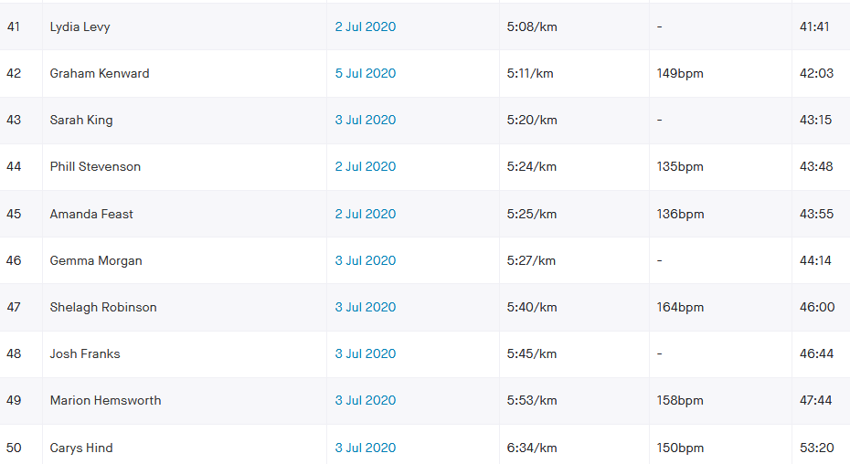
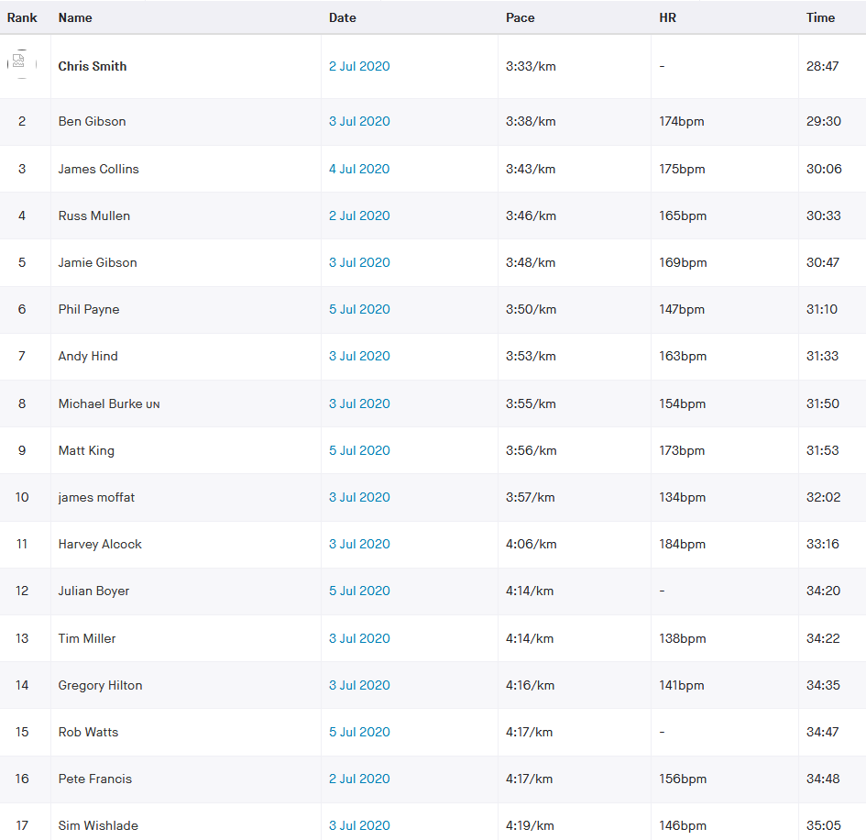
 |  |  |  |  |  |  |  |  |  |  |  |  |  |  |  |  |  |  |  |  |  |  |  | strava corrn |  |  |  |  |  |  |  |  | gtg watch | dist m | s/fin delta m | time delta | proposed time
HHH VR250 |  | 62 |  |  |  |  |  |  |  |  |  |  |  |  |  |  |  | age cats |  |  |  |  |  | ammanda soper manual entry elapsed 45:29, cross FL 45:17 /SL 35s net 44:42 |  |  |  |  |  |  |  | Linda Tullett - 51:41 | 0:51:41 | 8270 | 150 | 0:00:56 | 0:50:45 | Not used as wtach stopped at 8.1km
 |  |  | Race Description |  |  |  |  |  |  |  |  |  |  |  |  |  |  |  |  |  |  |  |  | Clare Kenward : GK + 2:31 + 42:03 = 44:34 |  |  |  | manual |  |  |  | Paul C | 0:36:24 | 8270 | 150 | 0:00:40 | 0:35:44
 |  |  | Event | BlackCap Dash |  |  |  |  |  |  |  |  |  |  |  |  |  | 20 |  | U20 |  |  |  | Jen Turner 46:28 - review to 45:37 from TCS track using gtg method |  |  |  |  |  |  |  | barry T | 0:36:35 | 8270 | 150 | 0:00:40 | 0:35:55
 |  |  | Distance | 5 Mile |  |  |  |  |  |  |  |  |  |  |  |  |  | 20 | 40 | Sen |  |  |  |  |  |  |  |  |  |  |  | Mike S | 0:49:53 | 8270 | 150 | 0:00:54 | 0:48:59
 |  |  | Date | 2020-07-05 |  |  |  |  |  |  |  |  |  |  |  |  |  | 40 | 50 | V40 |  |  |  |  |  |  |  |  |  |  |  | gilly F | 0:45:12 | 8270 | 150 | 0:00:49 | 0:44:23
 |  |  |  |  |  |  |  | 4 |  | 3 |  |  |  |  |  |  |  | 50 | 60 | V50 |  |  |  |  | average race time |  |  | average |  |  |  | Tommy T | 0:45:22 | 8270 | 150 | 0:00:49 | 0:44:33
 |  |  |  |  |  |  | Age adjusted |  |  |  |  |  | NO age correction grade |  |  |  |  | 60 | 70 | V60 |  |  |  |  | 0:39:10 |  |  | 5.3% |  |  |  | Jen Turner | 0:46:28 | 8270 | 150 | 0:00:51 | 0:45:37
 | Data Entry |  | Brought in from MasterData |  |  |  | Data Used in Calculation of Grade |  |  |  |  |  |  |  |  |  |  | 70 |  | V70 |  |  |  |  |  |  |  | 0:02:04 |  |  |  | Mike Essex | 0:42:39 | 8270 | 150 | 0:00:46 | 0:41:53
 | Nick | Strava time | Name | DoB | Sex | Age | col no | Age/Sex | O-Std | Age Time | Grade |  | Age/Sex | O-Std | Grade |  |  |  |  |  |  |  |  |  |  |  | seconds |  |  |  |  | Ricahrd Bates | 0:58:58 | 8270 | 150 | 0:01:04 | 0:57:54
 | Name | (h:mm:ss) |  | (dd/mm/yy) | (m/f) |  |  | Factor | (secs) | (secs) | % |  | Factor | (secs) | % |  |  |  | age cat ranking |  | target | VR% | Rank by % | handicap target | traget seconds | relative to target | relative to target | % seconds error | Rank by time diff | ahead | behind | absolute error |  |  |  | cumulative | band |  |  |  | cumulative | band
BlackCap Dash | smic | 0:28:47 | Chris Smith |  | m | 43 | 7 | 0.93650 | 1279 | 1365.7 | 79.08 | m1 | 1.00 | 1279.00 | 74.06 | m1 | 1 | mV40 | 1 |  | 0:27:09 | 106.0% | 36 | 0:27:09 | 1,629 | 0.0011 | 98 | 6.0% | 29 |  | 0:01:38 | 6% |  | -90 | <=-90 | 2 | 2 |  | -8% | <=-0.08 | - | -
BlackCap Dash | gibb | 0:29:30 | Ben Gibson |  | m | 33 | 7 | 0.99440 | 1279 | 1286.2 | 72.67 | m4 | 1.00 | 1279.00 | 72.26 | m2 | 2 | mSen | 1 |  | 0:27:49 | 106.1% | 37 | 0:27:49 | 1,669 | 0.0012 | 101 | 6.1% | 31 |  | 0:01:41 | 6% |  | -60 | <=-60 | 4 | 2 |  | -6% | <=-0.06 | 2 | 2
BlackCap Dash | colj | 0:30:06 | James Collins |  | m | 26 | 7 | 1.00000 | 1279 | 1279.0 | 70.82 | m11 | 1.00 | 1279.00 | 70.82 | m3 | 3 | mSen | 2 |  | 0:28:25 | 105.9% | 35 | 0:28:25 | 1,705 | 0.0012 | 101 | 5.9% | 30 |  | 0:01:41 | 6% |  | -30 | <=-30 | 5 | 1 |  | -4% | <=-0.04 | 2 | -
BlackCap Dash | mulr | 0:30:33 | Russell Mullen |  | m | 34 | 7 | 0.99130 | 1279 | 1290.2 | 70.39 | m12 | 1.00 | 1279.00 | 69.78 | m4 | 4 | mSen | 3 |  | 0:29:13 | 104.6% | 29 | 0:29:13 | 1,753 | 0.0009 | 80 | 4.6% | 24 |  | 0:01:20 | 5% |  | 0 | <=0 | 6 | 1 |  | -2% | <=-0.02 | 4 | 2
BlackCap Dash | gibj | 0:30:47 | Jamie Gibson |  | m | 33 | 7 | 0.99440 | 1279 | 1286.2 | 69.64 | m13 | 1.00 | 1279.00 | 69.25 | m5 | 5 | mSen | 4 |  | 0:30:34 | 100.7% | 10 | 0:30:34 | 1,834 | 0.0002 | 13 | 0.7% | 10 |  | 0:00:13 | 1% |  | 30 | <=30 | 13 | 7 |  | 0% | <=0 | 6 | 2
BlackCap Dash | payp | 0:31:10 | Phil Payne |  | m | 35 | 7 | 0.98750 | 1279 | 1295.2 | 69.26 | m14 | 1.00 | 1279.00 | 68.40 | m6 | 6 | mSen | 5 |  | 0:29:15 | 106.6% | 42 | 0:29:15 | 1,755 | 0.0013 | 115 | 6.6% | 34 |  | 0:01:55 | 7% |  | 60 | <=60 | 18 | 5 |  | 2% | <=0.02 | 14 | 8
BlackCap Dash | hina | 0:31:33 | Andy Hind |  | m | 44 | 7 | 0.92930 | 1279 | 1376.3 | 72.70 | m3 | 1.00 | 1279.00 | 67.56 | m7 | 7 | mV40 | 2 |  | 0:29:42 | 106.2% | 40 | 0:29:42 | 1,782 | 0.0013 | 111 | 6.2% | 33 |  | 0:01:51 | 6% |  | 90 | <=90 | 26 | 8 |  | 4% | <=0.04 | 26 | 12
BlackCap Dash | burm | 0:31:50 | Michael Burke |  | m | 43 | 7 | 0.93650 | 1279 | 1365.7 | 71.50 | m7 | 1.00 | 1279.00 | 66.96 | m8 | 8 | mV40 | 3 |  | 0:29:27 | 108.1% | 50 | 0:29:27 | 1,767 | 0.0017 | 143 | 8.1% | 42 |  | 0:02:23 | 8% |  | 120 | <=120 | 35 | 9 |  | 6% | <=0.06 | 35 | 9
BlackCap Dash | kinm | 0:31:53 | Matthew King |  | m | 39 | 7 | 0.96540 | 1279 | 1324.8 | 69.25 | m15 | 1.00 | 1279.00 | 66.86 | m9 | 9 | mSen | 6 |  | 0:29:35 | 107.8% | 48 | 0:29:35 | 1,775 | 0.0016 | 138 | 7.8% | 40 |  | 0:02:18 | 8% |  | 150 | <=150 | 43 | 8 |  | 8% | <=0.08 | 48 | 13
BlackCap Dash | mofj | 0:32:02 | James Moffat |  | m | 45 | 7 | 0.92210 | 1279 | 1387.1 | 72.17 | m5 | 1.00 | 1279.00 | 66.55 | m10 | 10 | mV40 | 4 |  | 0:31:51 | 100.6% | 9 | 0:31:51 | 1,911 | 0.0001 | 11 | 0.6% | 9 |  | 0:00:11 | 1% |  | 180 | <=180 | 47 | 4 |  | 10% | <=0.1 | 53 | 5
BlackCap Dash | alch | 0:33:16 | Harvey Alcock |  | m | 16 | 7 | 0.97960 | 1279 | 1305.6 | 65.41 | m20 | 1.00 | 1279.00 | 64.08 | m11 | 11 | mU20 | 1 |  | 0:33:35 | 99.1% | 6 | 0:33:35 | 2,015 | -0.0002 | -19 | -0.9% | 6 | 0:00:19 |  | 1% |  | 210 | <=210 | 53 | 6 |  | 12% | <=0.12 | 55 | 2
BlackCap Dash | boyj | 0:34:20 | Julian Boyer |  | m | 52 | 7 | 0.87140 | 1279 | 1467.8 | 71.25 | m9 | 1.00 | 1279.00 | 62.09 | m12 | 12 | mV50 | 1 |  | 0:32:03 | 107.1% | 45 | 0:32:03 | 1,923 | 0.0016 | 137 | 7.1% | 38 |  | 0:02:17 | 7% |  | 240 | <=240 | 54 | 1 |  | 14% | <=0.14 | 59 | 4
BlackCap Dash | milt | 0:34:22 | Tim Miller |  | m | 53 | 7 | 0.86420 | 1279 | 1480.0 | 71.77 | m6 | 1.00 | 1279.00 | 62.03 | m13 | 13 | mV50 | 2 |  | 0:34:14 | 100.4% | 7 | 0:34:14 | 2,054 | 0.0001 | 8 | 0.4% | 7 |  | 0:00:08 | 0% |  | 270 | <=270 | 56 | 2 |  | 16% | <=0.16 | 60 | 1
BlackCap Dash | hilg | 0:34:35 | Gregory Hilton |  | m | 39 | 7 | 0.96540 | 1279 | 1324.8 | 63.85 | m26 | 1.00 | 1279.00 | 61.64 | m14 | 14 | mSen | 7 |  | 0:33:35 | 103.0% | 20 | 0:33:35 | 2,015 | 0.0007 | 60 | 3.0% | 19 |  | 0:01:00 | 3% |  | 300 | <=300 | 58 | 2 |  | 18% | <=0.18 | 60 | -
BlackCap Dash | watr | 0:34:47 | Robert Watts |  | m | 43 | 7 | 0.93650 | 1279 | 1365.7 | 65.44 | m19 | 1.00 | 1279.00 | 61.28 | m15 | 15 | mV40 | 5 |  | 0:31:24 | 110.8% | 54 | 0:31:24 | 1,884 | 0.0024 | 203 | 10.8% | 52 |  | 0:03:23 | 11% |  | 330 | <=330 | 59 | 1 |  | 20% | <=0.2 | 61 | 1
BlackCap Dash | frap | 0:34:48 | Peter Francis |  | m | 40 | 7 | 0.95820 | 1279 | 1334.8 | 63.93 | m24 | 1.00 | 1279.00 | 61.25 | m16 | 16 | mV40 | 6 |  | 0:34:23 | 101.2% | 12 | 0:34:23 | 2,063 | 0.0003 | 25 | 1.2% | 11 |  | 0:00:25 | 1% |  | 360 | <=360 | 60 | 1 |  | 22% | <=0.22 | 62 | 1
BlackCap Dash | wiss | 0:35:05 | Simeon Wishlade |  | m | 41 | 7 | 0.95100 | 1279 | 1344.9 | 63.89 | m25 | 1.00 | 1279.00 | 60.76 | m17 | 17 | mV40 | 7 |  | 0:34:35 | 101.4% | 13 | 0:34:35 | 2,075 | 0.0003 | 30 | 1.4% | 13 |  | 0:00:30 | 1% |  | 390 | <=390 | 60 | -
BlackCap Dash | stat | 0:35:29 | Tim Stannard |  | m | 43 | 7 | 0.93650 | 1279 | 1365.7 | 64.15 | m23 | 1.00 | 1279.00 | 60.08 | m18 | 18 | mV40 | 8 |  | 0:34:44 | 102.2% | 16 | 0:34:44 | 2,084 | 0.0005 | 45 | 2.2% | 16 |  | 0:00:45 | 2% |  | 420 | <=420 | 60 | -
BlackCap Dash | robs1 | 0:35:38 | Simon Robinson |  | m | 49 | 7 | 0.89310 | 1279 | 1432.1 | 66.98 | m17 | 1.00 | 1279.00 | 59.82 | m19 | 19 | mV40 | 9 |  | 0:34:47 | 102.4% | 17 | 0:34:47 | 2,087 | 0.0006 | 51 | 2.4% | 17 |  | 0:00:51 | 2% |  | 450 | <=450 | 61 | 1
BlackCap Dash | hict | 0:35:39 | Tim Hicks |  | m | 61 | 7 | 0.80630 | 1279 | 1586.3 | 74.16 | m2 | 1.00 | 1279.00 | 59.79 | m20 | 20 | mV60 | 1 |  | 0:34:42 | 102.7% | 19 | 0:34:42 | 2,082 | 0.0007 | 57 | 2.7% | 18 |  | 0:00:57 | 3% |  | 480 | <=480 | 62 | 1
BlackCap Dash | harp1 | 0:35:42 | Peter Harding |  | m | 48 | 7 | 0.90040 | 1279 | 1420.5 | 66.32 | m18 | 1.00 | 1279.00 | 59.71 | m21 | 21 | mV40 | 10 |  | 0:34:18 | 104.1% | 27 | 0:34:18 | 2,058 | 0.0010 | 84 | 4.1% | 25 |  | 0:01:24 | 4% |  | 510 | <=510 | 62 | -
BlackCap Dash | coup | 0:35:44 | Paul Cousins |  | m | 57 | 7 | 0.83520 | 1279 | 1531.4 | 71.43 | m8 | 1.00 | 1279.00 | 59.65 | m22 | 22 | mV50 | 3 |  | 0:31:29 | 113.5% | 58 | 0:31:29 | 1,889 | 0.0030 | 255 | 13.5% | 56 |  | 0:04:15 | 13% |  | 540 | <=540 | 62 | -
BlackCap Dash | tulb | 0:35:55 | Barry Tullett |  | m | 53 | 7 | 0.86420 | 1279 | 1480.0 | 68.68 | m16 | 1.00 | 1279.00 | 59.35 | m23 | 23 | mV50 | 4 |  | 0:33:14 | 108.1% | 49 | 0:33:14 | 1,994 | 0.0019 | 161 | 8.1% | 45 |  | 0:02:41 | 8% |  | 570 | <=570 | 62 | -
BlackCap Dash | ward | 0:36:13 | Dave Warren |  | m | 48 | 7 | 0.90040 | 1279 | 1420.5 | 65.37 | m21 | 1.00 | 1279.00 | 58.86 | m24 | 24 | mV40 | 11 |  | 0:34:44 | 104.3% | 28 | 0:34:44 | 2,084 | 0.0010 | 89 | 4.3% | 26 |  | 0:01:29 | 4% |  | 600 | <=600 | 62 | -
BlackCap Dash | ames | 0:36:15 | Siobhan Amer |  | f | 47 | 7 | 0.91820 | 1452 | 1581.4 | 72.71 | f2 | 1.00 | 1452.00 | 66.76 | f1 | 25 | fV40 | 1 |  | 0:35:30 | 102.1% | 15 | 0:35:30 | 2,130 | 0.0005 | 45 | 2.1% | 15 |  | 0:00:45 | 2%
Distribution of times relative to handicap
BlackCap Dash | lok | 0:36:19 | Kim Lo |  | f | 40 | 7 | 0.97190 | 1452 | 1494.0 | 68.56 | f5 | 1.00 | 1452.00 | 66.64 | f2 | 26 | fV40 | 2 |  | 0:37:20 | 97.3% | 3 | 0:37:20 | 2,240 | -0.0007 | -61 | -2.7% | 4 | 0:01:01 |  | 3%
BlackCap Dash | rusc | 0:36:52 | Chris Russell |  | m | 60 | 7 | 0.81350 | 1279 | 1572.2 | 71.08 | m10 | 1.00 | 1279.00 | 57.82 | m25 | 27 | mV60 | 2 |  | 0:35:39 | 103.4% | 23 | 0:35:39 | 2,139 | 0.0008 | 73 | 3.4% | 22 |  | 0:01:13 | 3%
BlackCap Dash | draa | 0:37:25 | Andy Dray |  | m | 49 | 7 | 0.89310 | 1279 | 1432.1 | 63.79 | m27 | 1.00 | 1279.00 | 56.97 | m26 | 28 | mV40 | 12 |  | 0:35:27 | 105.6% | 31 | 0:35:27 | 2,127 | 0.0014 | 118 | 5.6% | 35 |  | 0:01:58 | 6%
BlackCap Dash | fauc | 0:37:36 | Chris Faulkner |  | m | 47 | 7 | 0.90760 | 1279 | 1409.2 | 62.47 | m30 | 1.00 | 1279.00 | 56.69 | m27 | 29 | mV40 | 13 |  | 0:35:34 | 105.7% | 33 | 0:35:34 | 2,134 | 0.0014 | 122 | 5.7% | 36 |  | 0:02:02 | 6%
BlackCap Dash | smyj | 0:37:38 | James Smyth |  | m | 36 | 7 | 0.98300 | 1279 | 1301.1 | 57.62 | m34 | 1.00 | 1279.00 | 56.64 | m28 | 30 | mSen | 8 |  | 0:35:15 | 106.8% | 43 | 0:35:15 | 2,115 | 0.0017 | 143 | 6.8% | 43 |  | 0:02:23 | 7%
BlackCap Dash | robj | 0:38:10 | Jason Robinson |  | m | 50 | 7 | 0.88590 | 1279 | 1443.7 | 63.04 | m29 | 1.00 | 1279.00 | 55.85 | m29 | 31 | mV50 | 5 |  | 0:34:52 | 109.5% | 53 | 0:34:52 | 2,092 | 0.0023 | 198 | 9.5% | 50 |  | 0:03:18 | 9%
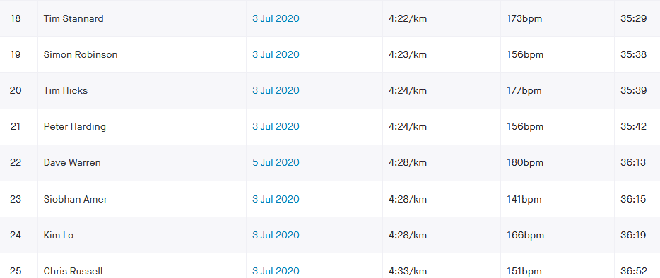
BlackCap Dash | blal | 0:38:44 | Lindsey Blain |  | f | 50 | 7 | 0.88770 | 1452 | 1635.7 | 70.38 | f4 | 1.00 | 1452.00 | 62.48 | f3 | 32 | fV50 | 1 |  | 0:38:09 | 101.5% | 14 | 0:38:09 | 2,289 | 0.0004 | 35 | 1.5% | 14 |  | 0:00:35 | 2%
BlackCap Dash | dumi | 0:39:07 | Ian Dumbrell |  | m | 54 | 7 | 0.85690 | 1279 | 1492.6 | 63.60 | m28 | 1.00 | 1279.00 | 54.50 | m30 | 33 | mV50 | 6 |  | 0:35:04 | 111.5% | 55 | 0:35:04 | 2,104 | 0.0028 | 243 | 11.5% | 55 |  | 0:04:03 | 12%
BlackCap Dash | robk | 0:39:22 | Kai Robinson |  | m | 17 | 7 | 0.99160 | 1279 | 1289.8 | 54.61 | m38 | 1.00 | 1279.00 | 54.15 | m31 | 34 | mU20 | 2 |  | 0:37:05 | 106.2% | 38 | 0:37:05 | 2,225 | 0.0016 | 137 | 6.2% | 39 |  | 0:02:17 | 6%
BlackCap Dash | bicc | 0:39:54 | Carl Bicknell |  | m | 58 | 7 | 0.82800 | 1279 | 1544.7 | 64.52 | m22 | 1.00 | 1279.00 | 53.43 | m32 | 35 | mV50 | 7 |  | 0:40:40 | 98.1% | 5 | 0:40:40 | 2,440 | -0.0005 | -46 | -1.9% | 5 | 0:00:46 |  | 2%
BlackCap Dash | howm | 0:40:16 | Matt Howells |  | m | 41 | 7 | 0.95100 | 1279 | 1344.9 | 55.67 | m36 | 1.00 | 1279.00 | 52.94 | m33 | 36 | mV40 | 14 |  | 0:40:06 | 100.4% | 8 | 0:40:06 | 2,406 | 0.0001 | 10 | 0.4% | 8 |  | 0:00:10 | 0%
BlackCap Dash | thok | 0:40:31 | Karen Thompson |  | f | 56 | 7 | 0.82620 | 1452 | 1757.4 | 72.29 | f3 | 1.00 | 1452.00 | 59.73 | f4 | 37 | fV50 | 2 |  | 0:35:51 | 113.0% | 56 | 0:35:51 | 2,151 | 0.0032 | 280 | 13.0% | 57 |  | 0:04:40 | 13%
BlackCap Dash | buck | 0:41:13 | Katherine Buckeridge |  | f | 50 | 7 | 0.88770 | 1452 | 1635.7 | 66.14 | f6 | 1.00 | 1452.00 | 58.71 | f5 | 38 | fV50 | 3 |  | 0:40:45 | 101.1% | 11 | 0:40:45 | 2,445 | 0.0003 | 28 | 1.1% | 12 |  | 0:00:28 | 1%
BlackCap Dash | earl | 0:41:18 | Liz Earley |  | f | 32 | 7 | 0.99900 | 1452 | 1453.5 | 58.65 | f10 | 1.00 | 1452.00 | 58.60 | f6 | 39 | fSen | 1 |  | 0:42:27 | 97.3% | 4 | 0:42:27 | 2,547 | -0.0008 | -69 | -2.7% | 3 | 0:01:09 |  | 3%
BlackCap Dash | gibh | 0:41:27 | Hannah Gibson |  | f | 33 | 7 | 0.99760 | 1452 | 1455.5 | 58.52 | f13 | 1.00 | 1452.00 | 58.38 | f7 | 40 | fSen | 2 |  | 0:40:11 | 103.2% | 22 | 0:40:11 | 2,411 | 0.0009 | 76 | 3.2% | 23 |  | 0:01:16 | 3%
BlackCap Dash | turp | 0:41:30 | Paul Turner |  | m | 39 | 7 | 0.96540 | 1279 | 1324.8 | 53.21 | m39 | 1.00 | 1279.00 | 51.37 | m34 | 41 | mSen | 9 |  | 0:38:31 | 107.7% | 47 | 0:38:31 | 2,311 | 0.0021 | 179 | 7.7% | 47 |  | 0:02:59 | 8%
BlackCap Dash | grea | 0:41:33 | Ant Grey |  | m | 52 | 7 | 0.87140 | 1279 | 1467.8 | 58.87 | m32 | 1.00 | 1279.00 | 51.30 | m35 | 42 | mV50 | 8 |  | 0:36:37 | 113.5% | 57 | 0:36:37 | 2,197 | 0.0034 | 296 | 13.5% | 58 |  | 0:04:56 | 13%
BlackCap Dash | levl | 0:41:41 | Lydia Levy |  | f | 30 | 7 | 1.00000 | 1452 | 1452.0 | 58.06 | f14 | 1.00 | 1452.00 | 58.06 | f8 | 43 | fSen | 3 |  | 0:40:28 | 103.0% | 21 | 0:40:28 | 2,428 | 0.0008 | 73 | 3.0% | 21 |  | 0:01:13 | 3%
BlackCap Dash | essm | 0:41:53 | Michael Essex |  | m | 51 | 7 | 0.87870 | 1279 | 1455.6 | 57.92 | m33 | 1.00 | 1279.00 | 50.90 | m36 | 44 | mV50 | 9 |  | 0:40:18 | 103.9% | 26 | 0:40:18 | 2,418 | 0.0011 | 95 | 3.9% | 28 |  | 0:01:35 | 4%
BlackCap Dash | keng | 0:42:03 | Graham Kenward |  | m | 57 | 7 | 0.83520 | 1279 | 1531.4 | 60.70 | m31 | 1.00 | 1279.00 | 50.69 | m37 | 45 | mV50 | 10 |  | 0:40:57 | 102.7% | 18 | 0:40:57 | 2,457 | 0.0008 | 66 | 2.7% | 20 |  | 0:01:06 | 3%
BlackCap Dash | bans | 0:42:46 | Sarah Banks |  | f | 53 | 7 | 0.85700 | 1452 | 1694.3 | 66.03 | f7 | 1.00 | 1452.00 | 56.59 | f9 | 46 | fV50 | 4 |  | 0:41:11 | 103.8% | 25 | 0:41:11 | 2,471 | 0.0011 | 95 | 3.8% | 27 |  | 0:01:35 | 4%
BlackCap Dash | kins | 0:43:15 | Sarah King |  | f | 38 | 7 | 0.98210 | 1452 | 1478.5 | 56.97 | f15 | 1.00 | 1452.00 | 55.95 | f10 | 47 | fSen | 4 |  | 0:40:54 | 105.8% | 34 | 0:40:54 | 2,454 | 0.0016 | 141 | 5.8% | 41 |  | 0:02:21 | 6%
BlackCap Dash | feaa | 0:43:55 | Amanda Feast |  | f | 27 | 7 | 1.00000 | 1452 | 1452.0 | 55.10 | f18 | 1.00 | 1452.00 | 55.10 | f11 | 48 | fSen | 5 |  | 0:36:30 | 120.3% | 62 | 0:36:30 | 2,190 | 0.0051 | 445 | 20.3% | 61 |  | 0:07:25 | 20%
BlackCap Dash | morg | 0:44:14 | Gemma Morgan |  | f | 40 | 7 | 0.97190 | 1452 | 1494.0 | 56.29 | f16 | 1.00 | 1452.00 | 54.71 | f12 | 49 | fV40 | 3 |  | 0:41:04 | 107.7% | 46 | 0:41:04 | 2,464 | 0.0022 | 190 | 7.7% | 49 |  | 0:03:10 | 8%
BlackCap Dash | forg | 0:44:22 | Gillian Forrest |  | f | 40 | 7 | 0.97190 | 1452 | 1494.0 | 56.12 | f17 | 1.00 | 1452.00 | 54.55 | f13 | 50 | fV40 | 4 |  | 0:38:52 | 114.2% | 60 | 0:38:52 | 2,332 | 0.0038 | 330 | 14.2% | 60 |  | 0:05:30 | 14%
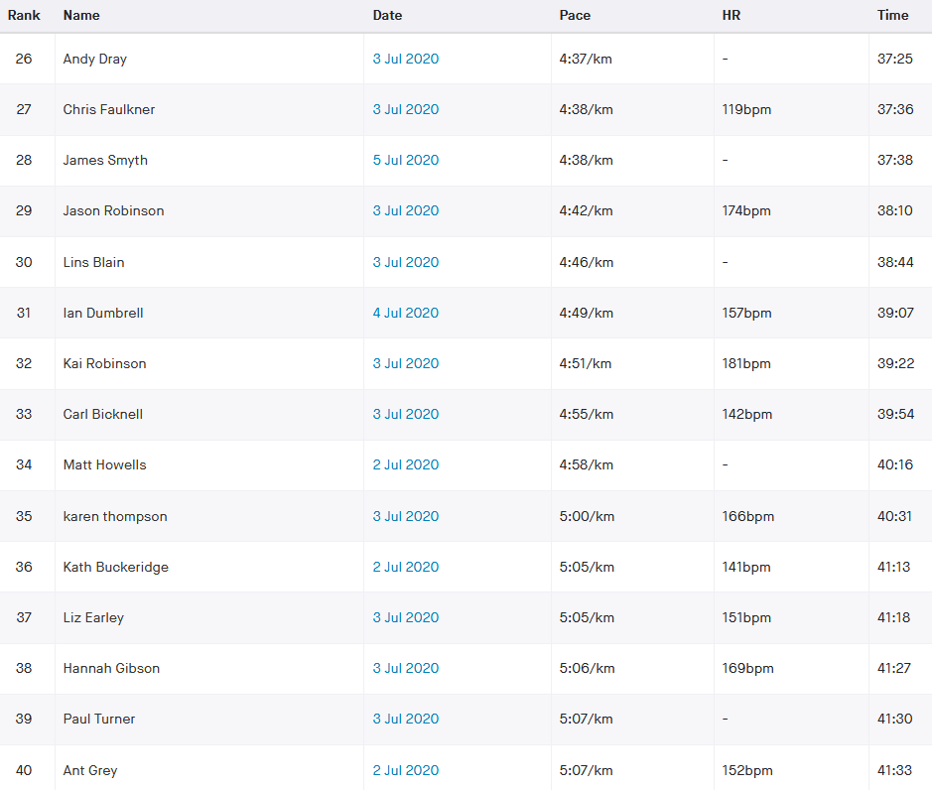
BlackCap Dash | tomt | 0:44:33 | Tommy Tomkins |  | m | 52 | 7 | 0.87140 | 1279 | 1467.8 | 54.91 | m37 | 1.00 | 1279.00 | 47.85 | m38 | 51 | mV50 | 11 |  | 0:41:09 | 108.2% | 51 | 0:41:09 | 2,469 | 0.0024 | 204 | 8.2% | 53 |  | 0:03:24 | 8%
BlackCap Dash | kenc | 0:44:34 | Clare Kenward |  | f | 53 | 7 | 0.85700 | 1452 | 1694.3 | 63.36 | f9 | 1.00 | 1452.00 | 54.30 | f14 | 52 | fV50 | 5 |  | 0:41:01 | 108.7% | 52 | 0:41:01 | 2,461 | 0.0025 | 213 | 8.7% | 54 |  | 0:03:33 | 9%
BlackCap Dash | sopa | 0:44:42 | Amanda Soper |  | f | 54 | 7 | 0.84670 | 1452 | 1714.9 | 63.94 | f8 | 1.00 | 1452.00 | 54.14 | f15 | 53 | fV50 | 6 |  | 0:39:17 | 113.8% | 59 | 0:39:17 | 2,357 | 0.0038 | 325 | 13.8% | 59 |  | 0:05:25 | 14%
BlackCap Dash | turj | 0:45:37 | Jenna Turner |  | f | 32 | 7 | 0.99900 | 1452 | 1453.5 | 53.10 | f20 | 1.00 | 1452.00 | 53.05 | f16 | 54 | fSen | 6 |  | 0:43:29 | 104.9% | 30 | 0:43:29 | 2,609 | 0.0015 | 128 | 4.9% | 37 |  | 0:02:08 | 5%
BlackCap Dash | robs | 0:46:00 | Shelagh Robinson |  | f | 49 | 7 | 0.89800 | 1452 | 1616.9 | 58.58 | f12 | 1.00 | 1452.00 | 52.61 | f17 | 55 | fV40 | 5 |  | 0:43:00 | 107.0% | 44 | 0:43:00 | 2,580 | 0.0021 | 180 | 7.0% | 48 |  | 0:03:00 | 7%
BlackCap Dash | fraj | 0:46:44 | Josh Franks |  | m | 39 | 7 | 0.96540 | 1279 | 1324.8 | 47.25 | m41 | 1.00 | 1279.00 | 45.61 | m39 | 56 | mSen | 10 |  | 0:39:11 | 119.3% | 61 | 0:39:11 | 2,351 | 0.0052 | 453 | 19.3% | 62 |  | 0:07:33 | 19%
BlackCap Dash | barj | 0:47:02 | Jacqueline Barnes |  | f | 51 | 7 | 0.87750 | 1452 | 1654.7 | 58.64 | f11 | 1.00 | 1452.00 | 51.45 | f18 | 57 | fV50 | 7 |  | 0:44:10 | 106.5% | 41 | 0:44:10 | 2,650 | 0.0020 | 172 | 6.5% | 46 |  | 0:02:52 | 6%
BlackCap Dash | hemm | 0:47:44 | Marion Hemsworth |  | f | 69 | 7 | 0.69290 | 1452 | 2095.5 | 73.17 | f1 | 1.00 | 1452.00 | 50.70 | f19 | 58 | fV60 | 1 |  | 0:45:09 | 105.7% | 32 | 0:45:09 | 2,709 | 0.0018 | 155 | 5.7% | 44 |  | 0:02:35 | 6%
BlackCap Dash | schm | 0:48:59 | Michael Scholes |  | m | 66 | 7 | 0.77010 | 1279 | 1660.8 | 56.51 | m35 | 1.00 | 1279.00 | 43.52 | m40 | 59 | mV60 | 3 |  | 0:47:11 | 103.8% | 24 | 0:47:11 | 2,831 | 0.0013 | 108 | 3.8% | 32 |  | 0:01:48 | 4%
BlackCap Dash | tull | 0:51:41 | Linda Tullett |  | f | 53 | 7 | 0.85700 | 1452 | 1694.3 | 54.64 | f19 | 1.00 | 1452.00 | 46.82 | f20 | 60 | fV50 | 8 |  | 0:55:58 | 92.3% | 1 | 0:55:58 | 3,358 | -0.0030 | -257 | -7.7% | 2 | 0:04:17 |  | 8%
BlackCap Dash | hinc | 0:53:20 | Carys Hind |  | f | 39 | 7 | 0.97730 | 1452 | 1485.7 | 46.43 | f21 | 1.00 | 1452.00 | 45.38 | f21 | 61 | fSen | 7 |  | 0:57:41 | 92.5% | 2 | 0:57:41 | 3,461 | -0.0030 | -261 | -7.5% | 1 | 0:04:21 |  | 8%
BlackCap Dash | batr | 0:57:54 | Richard Bates |  | m | 70 | 7 | 0.74010 | 1279 | 1728.1 | 49.75 | m40 | 1.00 | 1279.00 | 36.82 | m41 | 62 | mV70 | 1 |  | 0:54:32 | 106.2% | 39 | 0:54:32 | 3,272 | 0.0023 | 202 | 6.2% | 51 |  | 0:03:22 | 6%
BlackCap Dash |  |  |  |  |  |  |  |  |  |  |  | 1 | 1.00 |  |  | 1 | 63 | V70 | 1

