Tables VR7 (2)
HHH VR series 2020 Race #7 10k |  |  |  |  |  |  |  |  |  |  |  |  |  |  |  | selector | WMA 2015 | factor basis

 | 5 | 3 | 2

 | Participants by gender / age Category

 | mSen |  |  | mV40 |  |  | mV50 |  |  | mV60 |  |  | mU20
 | runner | time | course | runner | time | course | runner | time | course | runner | time | course | runner | time | course
1 | Russell Mullen | 0:35:09 | Lindfield 10k | Benjamin Duncan | 0:35:57 | BH 10k | Julian Boyer | 0:39:52 | Lindfield 10k | #N/A | #N/A | #N/A | Kai Robinson | 0:51:36 | BH 10k
2 | Mark Green | 0:38:25 | BH 10k | James Moffat | 0:37:34 | Lindfield 10k | Tim Miller | 0:42:08 | Lindfield 10k | #N/A | #N/A | #N/A
3 | Ben Gibson | 0:39:29 | Lindfield 10k | Andy Hind | 0:37:35 | Lindfield 10k | Jason Robinson | 0:47:09 | BH 10k | #N/A | #N/A | #N/A
4 | #N/A | #N/A | #N/A | Tim Stannard | 0:42:11 | Lindfield 10k | #N/A | #N/A | #N/A | #N/A | #N/A | #N/A
5 | #N/A | #N/A | #N/A | Andy Dray | 0:45:07 | Lindfield 10k | #N/A | #N/A | #N/A
6 | #N/A | #N/A | #N/A | #N/A | #N/A | #N/A | #N/A | #N/A | #N/A
7 | #N/A | #N/A | #N/A | #N/A | #N/A | #N/A | #N/A | #N/A | #N/A
8 | #N/A | #N/A | #N/A | #N/A | #N/A | #N/A | #N/A | #N/A | #N/A
9 | #N/A | #N/A | #N/A | #N/A | #N/A | #N/A | #N/A | #N/A | #N/A
10 | #N/A | #N/A | #N/A | #N/A | #N/A | #N/A | #N/A | #N/A | #N/A
11 | #N/A | #N/A | #N/A | #N/A | #N/A | #N/A
12 | #N/A | #N/A | #N/A | #N/A | #N/A | #N/A
13 | #N/A | #N/A | #N/A | #N/A | #N/A | #N/A
14 | #N/A | #N/A | #N/A | #N/A | #N/A | #N/A
15 |  |  |  | #N/A | #N/A | #N/A
16
17
18
19
20

 | fSen |  |  | fV40 |  |  | fV50 |  |  | fV60
 | runner | time | course | runner | time | course | runner | time | course | runner | time | course
1 | Sarah King | 0:50:11 | Lindfield 10k | Shelagh Robinson | 0:56:02 | BH 10k | Katherine Buckeridge | 0:52:37 | BH 10k | Marion Hemsworth | 0:54:38 | BH 10k
2 | #N/A | #N/A | #N/A | Shelagh Robinson | 0:59:51 | Lindfield 10k | #N/A | #N/A | #N/A | #N/A | #N/A | #N/A
3 | #N/A | #N/A | #N/A | #N/A | #N/A | #N/A | #N/A | #N/A | #N/A
4 | #N/A | #N/A | #N/A | #N/A | #N/A | #N/A | #N/A | #N/A | #N/A
5 | #N/A | #N/A | #N/A | #N/A | #N/A | #N/A
6 | #N/A | #N/A | #N/A | #N/A | #N/A | #N/A
7 |  |  |  | #N/A | #N/A | #N/A
8 |  |  |  | #N/A | #N/A | #N/A
9 |  |  |  | #N/A | #N/A | #N/A
10
11
12
13
14
15
16
17
18
19
20

Participants by age Grade
 | 5 | 3 |  | 8 | 22 | 2

 | runner | time | age grade | age (9/8/20) | Cat | Course
1 | Marion Hemsworth | 0:54:38 | 80.99 | 69 | fV60 | BH 10k
2 | Benjamin Duncan | 0:35:57 | 78.92 | 43 | mV40 | BH 10k
3 | James Moffat | 0:37:34 | 76.74 | 45 | mV40 | Lindfield 10k
4 | Andy Hind | 0:37:35 | 76.71 | 45 | mV40 | Lindfield 10k
5 | Julian Boyer | 0:39:52 | 76.65 | 52 | mV50 | Lindfield 10k
6 | Russell Mullen | 0:35:09 | 76.46 | 34 | mSen | Lindfield 10k
7 | Tim Miller | 0:42:08 | 73.78 | 54 | mV50 | Lindfield 10k
8 | Mark Green | 0:38:25 | 70.19 | 35 | mSen | BH 10k
9 | Ben Gibson | 0:39:29 | 67.90 | 33 | mSen | Lindfield 10k
10 | Tim Stannard | 0:42:11 | 67.26 | 43 | mV40 | Lindfield 10k
11 | Andy Dray | 0:45:07 | 66.03 | 49 | mV40 | Lindfield 10k
12 | Katherine Buckeridge | 0:52:37 | 65.14 | 50 | fV50 | BH 10k
13 | Jason Robinson | 0:47:09 | 64.26 | 51 | mV50 | BH 10k
14 | Sarah King | 0:50:11 | 61.57 | 38 | fSen | Lindfield 10k
15 | Shelagh Robinson | 0:56:02 | 60.45 | 49 | fV40 | BH 10k
16 | Shelagh Robinson | 0:59:51 | 56.60 | 49 | fV40 | Lindfield 10k
17 | Kai Robinson | 0:51:36 | 51.81 | 18 | mU20 | BH 10k
18 | #NUM! | #NUM! | #NUM! | #NUM! | #NUM! | #NUM!
19 | #NUM! | #NUM! | #NUM! | #NUM! | #NUM! | #NUM!
20 | #NUM! | #NUM! | #NUM! | #NUM! | #NUM! | #NUM!
21 | #NUM! | #NUM! | #NUM! | #NUM! | #NUM! | #NUM!
22 | #NUM! | #NUM! | #NUM! | #NUM! | #NUM! | #NUM!
23 | #NUM! | #NUM! | #NUM! | #NUM! | #NUM! | #NUM!
24 | #NUM! | #NUM! | #NUM! | #NUM! | #NUM! | #NUM!
25 | #NUM! | #NUM! | #NUM! | #NUM! | #NUM! | #NUM!
26 | #NUM! | #NUM! | #NUM! | #NUM! | #NUM! | #NUM!
27 | #NUM! | #NUM! | #NUM! | #NUM! | #NUM! | #NUM!
28 | #NUM! | #NUM! | #NUM! | #NUM! | #NUM! | #NUM!
29 | #NUM! | #NUM! | #NUM! | #NUM! | #NUM! | #NUM!
30 | #NUM! | #NUM! | #NUM! | #NUM! | #NUM! | #NUM!
31 | #NUM! | #NUM! | #NUM! | #NUM! | #NUM! | #NUM!
32 | #NUM! | #NUM! | #NUM! | #NUM! | #NUM! | #NUM!
33 | #NUM! | #NUM! | #NUM! | #NUM! | #NUM! | #NUM!
34 | #NUM! | #NUM! | #NUM! | #NUM! | #NUM! | #NUM!
35 | #NUM! | #NUM! | #NUM! | #NUM! | #NUM! | #NUM!
36 | #NUM! | #NUM! | #NUM! | #NUM! | #NUM! | #NUM!
37 | #NUM! | #NUM! | #NUM! | #NUM! | #NUM! | #NUM!
38 | #NUM! | #NUM! | #NUM! | #NUM! | #NUM! | #NUM!
39 | #NUM! | #NUM! | #NUM! | #NUM! | #NUM! | #NUM!
40 | #NUM! | #NUM! | #NUM! | #NUM! | #NUM! | #NUM!
41 | #NUM! | #NUM! | #NUM! | #NUM! | #NUM! | #NUM!
42 | #NUM! | #NUM! | #NUM! | #NUM! | #NUM! | #NUM!
43 | #NUM! | #NUM! | #NUM! | #NUM! | #NUM! | #NUM!
44 | #NUM! | #NUM! | #NUM! | #NUM! | #NUM! | #NUM!
45 | #NUM! | #NUM! | #NUM! | #NUM! | #NUM! | #NUM!
46 | #NUM! | #NUM! | #NUM! | #NUM! | #NUM! | #NUM!
47 | #NUM! | #NUM! | #NUM! | #NUM! | #NUM! | #NUM!
48 | #NUM! | #NUM! | #NUM! | #NUM! | #NUM! | #NUM!
49 | #NUM! | #NUM! | #NUM! | #NUM! | #NUM! | #NUM!
50 | #NUM! | #NUM! | #NUM! | #NUM! | #NUM! | #NUM!
51 | #NUM! | #NUM! | #NUM! | #NUM! | #NUM! | #NUM!

Participants relative to "handicap" target

This table has been renamed from previous editions.
Our aim was to have a type of handicap element running in parallel so that runners could could see if they were running close to the handicap. As with all handicaps there is a well established process to try to ensure that the "winner" of 1 event doesn't "win" the next one! - by slightly stacking the dice.
We chose to use Clair Park PB's as target for VR1. Clair is a hilly 5k so on the flatter courses runners should do well against this - of course they will miss other runners to spur them on! Some runners had never done Clair Parkrun (shame!!) so were missed off.
For VR2 (a 10k) : we doubled your Clair PB, or if you beat your Clair PB in VR1 we doubled that. If you'd never run Clair but had run VR1 we also doubled that.
For VR3 (5k). We needed to address how to treat those who beat their target in VR2. we decided take 50% of your VR2 time and then take a further 4% off to reflect the shorter distance. We did the same for those who had no Clair PB and just ran VR2
For VR6 (5k) we adjusted downwards targets for those who beat their target in VR3. we made no corrections based on the V250 handicap (Blackcap) or the SDWR leg run
For VR7: those who beat their 5k time in VR6 were set a 10k target based on 1.0289x their VR6 5k time...
Disputes on the above will be settled in either the Standup or Lockheart at a date to be advised.
 | runner | time | Target | % of Clair PB x2 | Course
1 | Tim Stannard | 0:42:11 | 0:41:44 | 101.08% | Lindfield 10k
2 | Marion Hemsworth | 0:54:38 | 0:53:54 | 101.36% | BH 10k
3 | Andy Hind | 0:37:35 | 0:36:56 | 101.76% | Lindfield 10k
4 | Russell Mullen | 0:35:09 | 0:34:18 | 102.48% | Lindfield 10k
5 | James Moffat | 0:37:34 | 0:36:08 | 103.97% | Lindfield 10k
6 | Tim Miller | 0:42:08 | 0:40:18 | 104.55% | Lindfield 10k
7 | Benjamin Duncan | 0:35:57 | 0:34:10 | 105.22% | BH 10k
8 | Julian Boyer | 0:39:52 | 0:37:52 | 105.28% | Lindfield 10k
9 | Sarah King | 0:50:11 | 0:47:32 | 105.58% | Lindfield 10k
10 | Mark Green | 0:38:25 | 0:35:52 | 107.11% | BH 10k
11 | Andy Dray | 0:45:07 | 0:41:10 | 109.60% | Lindfield 10k
12 | Katherine Buckeridge | 0:52:37 | 0:47:20 | 111.16% | BH 10k
13 | Shelagh Robinson | 0:56:02 | 0:49:56 | 112.22% | BH 10k
14 | Jason Robinson | 0:47:09 | 0:40:30 | 116.42% | BH 10k
15 | Kai Robinson | 0:51:36 | 0:43:04 | 119.81% | BH 10k
16 | Shelagh Robinson | 0:59:51 | 0:49:56 | 119.86% | Lindfield 10k
17 | Ben Gibson | 0:39:29 | 0:32:18 | 122.24% | Lindfield 10k
18 |  | #NUM! | 0:00:00 | 200.00% | #NUM!
19 |  | #NUM! | 0:00:00 | 200.00% | #NUM!
20 |  | #NUM! | 0:00:00 | 200.00% | #NUM!
21 |  | #NUM! | 0:00:00 | 200.00% | #NUM!
22 |  | #NUM! | 0:00:00 | 200.00% | #NUM!
23 |  | #NUM! | 0:00:00 | 200.00% | #NUM!
24 |  | #NUM! | 0:00:00 | 200.00% | #NUM!
25 |  | #NUM! | 0:00:00 | 200.00% | #NUM!
26 |  | #NUM! | 0:00:00 | 200.00% | #NUM!
27 |  | #NUM! | 0:00:00 | 200.00% | #NUM!
28 |  | #NUM! | 0:00:00 | 200.00% | #NUM!
29 |  | #NUM! | 0:00:00 | 200.00% | #NUM!
30 |  | #NUM! | 0:00:00 | 200.00% | #NUM!
31 |  | #NUM! | 0:00:00 | 200.00% | #NUM!
32 |  | #NUM! | 0:00:00 | 200.00% | #NUM!
33 |  | #NUM! | 0:00:00 | 200.00% | #NUM!
34 |  | #NUM! | 0:00:00 | 200.00% | #NUM!
35 |  | #NUM! | 0:00:00 | 200.00% | #NUM!
36 |  | #NUM! | 0:00:00 | 200.00% | #NUM!
37 |  | #NUM! | 0:00:00 | 200.00% | #NUM!
38 |  | #NUM! | 0:00:00 | 200.00% | #NUM!
39 |  | #NUM! | 0:00:00 | 200.00% | #NUM!
40 |  | #NUM! | 0:00:00 | 200.00% | #NUM!
41 |  | #NUM! | 0:00:00 | 200.00% | #NUM!
42 |  | #NUM! | 0:00:00 | 200.00% | #NUM!
43 |  | #NUM! | 0:00:00 | 200.00% | #NUM!
44 |  | #NUM! | 0:00:00 | 200.00% | #NUM!
45 |  | #NUM! | 0:00:00 | 200.00% | #NUM!
46 |  | #NUM! | 0:00:00 | 200.00% | #NUM!
47 |  | #NUM! | 0:00:00 | 200.00% | #NUM!
48 |  | #NUM! | 0:00:00 | 200.00% | #NUM!

HHH 10k (3)
HHH 10k (3) |  | 17 |  |  |  |  |  |  |  |  |  |  |  |  |  |  | age cats
 |  |  | Race Description
 |  |  | Event | BH 10k |  |  |  |  |  |  |  |  |  |  |  |  | 20 |  | U20
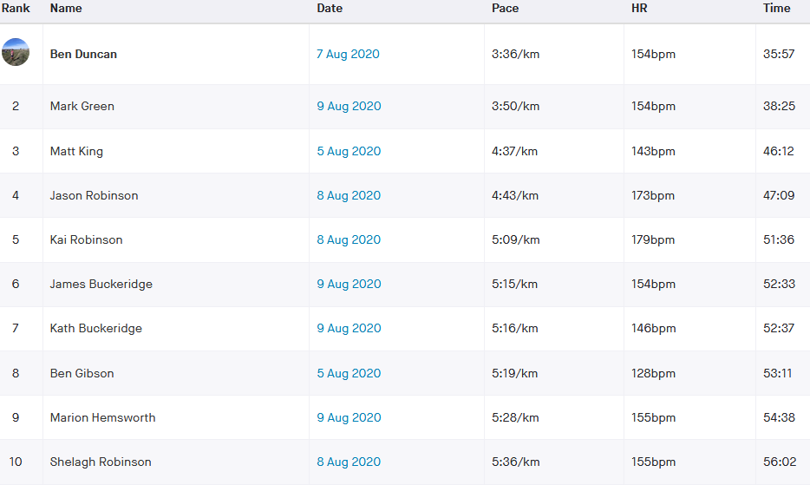
 |  |  | Distance | 10 km |  |  |  |  |  |  |  |  |  |  |  |  | 20 | 40 | Sen
 |  |  | Date | 2020-08-09 |  |  |  |  |  |  |  |  |  |  |  |  | 40 | 50 | V40
 |  |  |  |  |  |  |  | 4 |  | 3 |  |  |  |  |  |  | 50 | 60 | V50
 |  |  |  |  |  |  | Age adjusted |  |  |  |  |  | NO age correction grade |  |  |  | 60 | 70 | V60
 | Data Entry |  | Brought in from MasterData |  |  |  | Data Used in Calculation of Grade |  |  |  |  |  |  |  |  |  | 70 |  | V70
 | Nick | Strava time | Name | DoB | Sex | Age | col no | Age/Sex | O-Std | Age Time | Grade |  | Age/Sex | O-Std | Grade
 | Name | (h:mm:ss) |  | (dd/mm/yy) | (m/f) |  |  | Factor | (secs) | (secs) | % |  | Factor | (secs) | % |  |  | age cat ranking
BH 10k | dunb | 0:35:57 | Benjamin Duncan | 1976-12-16 | m | 43 | 8 | 0.94170 | 1603 | 1702.2 | 78.92 | m1 | 1.00 | 1603.00 | 74.32 | m1 | mV40 | 1
BH 10k | grem | 0:38:25 | Mark Green | 1985-01-17 | m | 35 | 8 | 0.99080 | 1603 | 1617.9 | 70.19 | m2 | 1.00 | 1603.00 | 69.54 | m2 | mSen | 1
BH 10k | robj | 0:47:09 | Jason Robinson | 1969-07-21 | m | 51 | 8 | 0.88180 | 1603 | 1817.9 | 64.26 | m3 | 1.00 | 1603.00 | 56.66 | m3 | mV50 | 1
BH 10k | robk | 0:51:36 | Kai Robinson | 2002-08-04 | m | 18 | 8 | 0.99930 | 1603 | 1604.1 | 51.81 | m4 | 1.00 | 1603.00 | 51.78 | m4 | mU20 | 1
BH 10k | buck | 0:52:37 | Katherine Buckeridge | 1970-03-27 | f | 50 | 8 | 0.88500 | 1820 | 2056.5 | 65.14 | f2 | 1.00 | 1820.00 | 57.65 | f1 | fV50 | 1
BH 10k | hemm | 0:54:38 | Marion Hemsworth | 1950-08-17 | f | 69 | 8 | 0.68550 | 1820 | 2655.0 | 80.99 | f1 | 1.00 | 1820.00 | 55.52 | f2 | fV60 | 1
BH 10k | robs | 0:56:02 | Shelagh Robinson | 1971-02-23 | f | 49 | 8 | 0.89550 | 1820 | 2032.4 | 60.45 | f3 | 1.00 | 1820.00 | 54.13 | f3 | fV40 | 1
BH 10k |  |  |  |  |  |  |  |  |  |  |  | 1 | 1.00 |  |  | 1 | V70 | 1
BH 10k |  |  |  |  |  |  |  |  |  |  |  | 1 | 1.00 |  |  | 1 | V70 | 1
BH 10k |  |  |  |  |  |  |  |  |  |  |  | 1 | 1.00 |  |  | 1 | V70 | 1
BH 10k |  |  |  |  |  |  |  |  |  |  |  | 1 | 1.00 |  |  | 1 | V70 | 1
BH 10k |  |  |  |  |  |  |  |  |  |  |  | 1 | 1.00 |  |  | 1 | V70 | 1
BH 10k |  |  |  |  |  |  |  |  |  |  |  | 1 | 1.00 |  |  | 1 | V70 | 1
BH 10k |  |  |  |  |  |  |  |  |  |  |  | 1 | 1.00 |  |  | 1 | V70 | 1
BH 10k |  |  |  |  |  |  |  |  |  |  |  | 1 | 1.00 |  |  | 1 | V70 | 1
BH 10k |  |  |  |  |  |  |  |  |  |  |  | 1 | 1.00 |  |  | 1 | V70 | 1
BH 10k |  |  |  |  |  |  |  |  |  |  |  | 1 | 1.00 |  |  | 1 | V70 | 1
BH 10k |  |  |  |  |  |  |  |  |  |  |  | 1 | 1.00 |  |  | 1 | V70 | 1
BH 10k |  |  |  |  |  |  |  |  |  |  |  | 1 | 1.00 |  |  | 1 | V70 | 1
BH 10k |  |  |  |  |  |  |  |  |  |  |  | 1 | 1.00 |  |  | 1 | V70 | 1
BH 10k |  |  |  |  |  |  |  |  |  |  |  | 1 | 1.00 |  |  | 1

 |  |  | Race Description
 |  |  | Event | Lindfield 10k
 |  |  | Distance | 10 km
 |  |  | Date | 2020-05-25
 |  |  |  |  |  |  |  | 4 |  | 3
 |  |  |  |  |  |  | Age adjusted |  |  |  |  |  | NO age correction grade
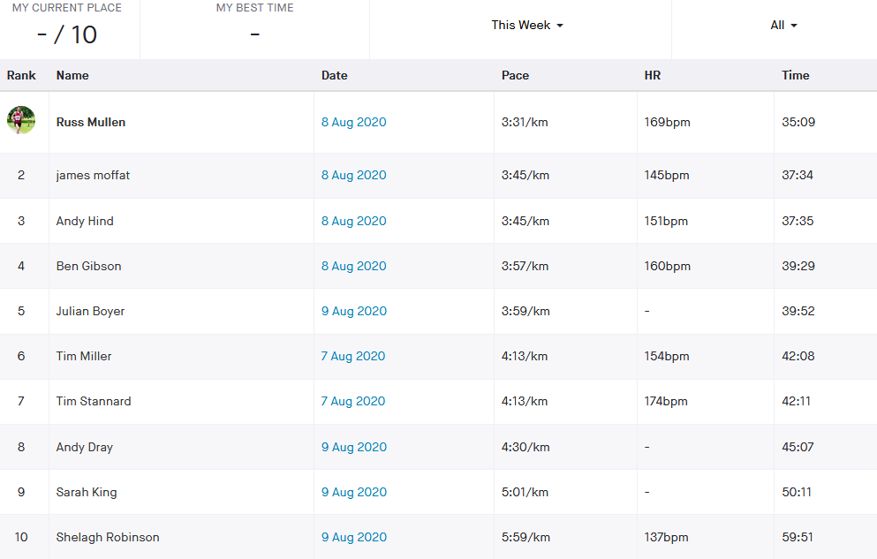
 | Data Entry |  | Brought in from MasterData |  |  |  | Data Used in Calculation of Grade
 | Nick | Strava time | Name | DoB | Sex | Age | col no | Age/Sex | O-Std | Age Time | Grade |  | Age/Sex | O-Std | Grade
 | Name | (h:mm:ss) |  | (dd/mm/yy) | (m/f) |  |  | Factor | (secs) | (secs) | % |  | Factor | (secs) | % |  |  | age cat ranking
Lindfield 10k | mulr | 0:35:09 | Russell Mullen | 1986-03-19 | m | 34 | 8 | 0.99410 | 1603 | 1612.5 | 76.46 | m4 | 1.00 | 1603.00 | 76.01 | m1 | mSen | 1
Lindfield 10k | mofj | 0:37:34 | James Moffat | 1974-09-19 | m | 45 | 8 | 0.92670 | 1603 | 1729.8 | 76.74 | m1 | 1.00 | 1603.00 | 71.12 | m2 | mV40 | 1
Lindfield 10k | hina | 0:37:35 | Andy Hind | 1975-07-06 | m | 45 | 8 | 0.92670 | 1603 | 1729.8 | 76.71 | m2 | 1.00 | 1603.00 | 71.09 | m3 | mV40 | 2
Lindfield 10k | gibb | 0:39:29 | Ben Gibson | 1987-05-26 | m | 33 | 8 | 0.99660 | 1603 | 1608.5 | 67.90 | m6 | 1.00 | 1603.00 | 67.67 | m4 | mSen | 2
Lindfield 10k | boyj | 0:39:52 | Julian Boyer | 1968-02-11 | m | 52 | 8 | 0.87430 | 1603 | 1833.5 | 76.65 | m3 | 1.00 | 1603.00 | 67.02 | m5 | mV50 | 1
Lindfield 10k | milt | 0:42:08 | Tim Miller | 1966-07-22 | m | 54 | 8 | 0.85940 | 1603 | 1865.3 | 73.78 | m5 | 1.00 | 1603.00 | 63.41 | m6 | mV50 | 2
Lindfield 10k | stat | 0:42:11 | Tim Stannard | 1976-11-15 | m | 43 | 8 | 0.94170 | 1603 | 1702.2 | 67.26 | m7 | 1.00 | 1603.00 | 63.33 | m7 | mV40 | 3
Lindfield 10k | draa | 0:45:07 | Andy Dray | 1970-09-16 | m | 49 | 8 | 0.89680 | 1603 | 1787.5 | 66.03 | m8 | 1.00 | 1603.00 | 59.22 | m8 | mV40 | 4
Lindfield 10k | kins | 0:50:11 | Sarah King | 1981-12-07 | f | 38 | 8 | 0.98170 | 1820 | 1853.9 | 61.57 | f1 | 1.00 | 1820.00 | 60.45 | f1 | fSen | 1
Lindfield 10k | robs | 0:59:51 | Shelagh Robinson | 1971-02-23 | f | 49 | 8 | 0.89550 | 1820 | 2032.4 | 56.60 | f2 | 1.00 | 1820.00 | 50.68 | f2 | fV40 | 1
Lindfield 10k |  |  |  |  |  |  |  |  |  |  |  | 1 | 1.00 |  |  | 1 | V70 | 1
Lindfield 10k |  |  |  |  |  |  |  |  |  |  |  | 1 | 1.00 |  |  | 1 | V70 | 1
Lindfield 10k |  |  |  |  |  |  |  |  |  |  |  | 1 | 1.00 |  |  | 1 | V70 | 1
Lindfield 10k |  |  |  |  |  |  |  |  |  |  |  | 1 | 1.00 |  |  | 1 | V70 | 1
Lindfield 10k |  |  |  |  |  |  |  |  |  |  |  | 1 | 1.00 |  |  | 1 | V70 | 1
Lindfield 10k |  |  |  |  |  |  |  |  |  |  |  | 1 | 1.00 |  |  | 1 | V70 | 1
Lindfield 10k |  |  |  |  |  |  |  |  |  |  |  | 1 | 1.00 |  |  | 1 | V70 | 1
Lindfield 10k |  |  |  |  |  |  |  |  |  |  |  | 1 | 1.00 |  |  | 1 | V70 | 1
Lindfield 10k |  |  |  |  |  |  |  |  |  |  |  | 1 | 1.00 |  |  | 1 | V70 | 1
Lindfield 10k |  |  |  |  |  |  |  |  |  |  |  | 1 | 1.00 |  |  | 1 | V70 | 1
Lindfield 10k |  |  |  |  |  |  |  |  |  |  |  | 1 | 1.00 |  |  | 1 | V70 | 1
Lindfield 10k |  |  |  |  |  |  |  |  |  |  |  | 1 | 1.00 |  |  | 1 | V70 | 1
Lindfield 10k |  |  |  |  |  |  |  |  |  |  |  | 1 | 1.00 |  |  | 1 | V70 | 1
Lindfield 10k |  |  |  |  |  |  |  |  |  |  |  | 1 | 1.00 |  |  | 1 | V70 | 1
Lindfield 10k |  |  |  |  |  |  |  |  |  |  |  | 1 | 1.00 |  |  | 1 | V70 | 1
Lindfield 10k |  |  |  |  |  |  |  |  |  |  |  | 1 | 1.00 |  |  | 1 | V70 | 1
Lindfield 10k |  |  |  |  |  |  |  |  |  |  |  | 1 | 1.00 |  |  | 1 | V70 | 1
Lindfield 10k |  |  |  |  |  |  |  |  |  |  |  | 1 | 1.00 |  |  | 1 | V70 | 1
Lindfield 10k |  |  |  |  |  |  |  |  |  |  |  | 1 | 1.00 |  |  | 1 | V70 | 1
Lindfield 10k |  |  |  |  |  |  |  |  |  |  |  | 1 | 1.00 |  |  | 1 | V70 | 1
Lindfield 10k |  |  |  |  |  |  |  |  |  |  |  | 1 | 1.00 |  |  | 1 | V70 | 1
Lindfield 10k |  |  |  |  |  |  |  |  |  |  |  | 1 | 1.00 |  |  | 1 | V70 | 1
Lindfield 10k |  |  |  |  |  |  |  |  |  |  |  | 1 | 1.00 |  |  | 1 | V70 | 1
Lindfield 10k |  |  |  |  |  |  |  |  |  |  |  | 1 | 1.00 |  |  | 1 | V70 | 1
Lindfield 10k |  |  |  |  |  |  |  |  |  |  |  | 1 | 1.00 |  |  | 1 | V70 | 1
Lindfield 10k |  |  |  |  |  |  |  |  |  |  |  | 1 | 1.00 |  |  | 1 | V70 | 1

 |  |  | Race Description
 |  |  | Event
 |  |  | Distance
 |  |  | Date
 |  |  |  |  |  |  |  | 4 |  | 3
 |  |  |  |  |  |  | Age adjusted |  |  |  |  |  | NO age correction grade
 | Data Entry |  | Brought in from MasterData |  |  |  | Data Used in Calculation of Grade
 | Nick | Strava time | Name | DoB | Sex | Age | col no | Age/Sex | O-Std | Age Time | Grade |  | Age/Sex | O-Std | Grade
 | Name | (h:mm:ss) |  | (dd/mm/yy) | (m/f) |  |  | Factor | (secs) | (secs) | % |  | Factor | (secs) | % |  |  | age cat ranking
0 |  |  |  |  |  |  |  |  |  |  |  | 1 | 1.00 |  |  | 1 | V70 | 1
0 |  |  |  |  |  |  |  |  |  |  |  | 1 | 1.00 |  |  | 1 | V70 | 1
0 |  |  |  |  |  |  |  |  |  |  |  | 1 | 1.00 |  |  | 1 | V70 | 1
0 |  |  |  |  |  |  |  |  |  |  |  | 1 | 1.00 |  |  | 1 | V70 | 1
0 |  |  |  |  |  |  |  |  |  |  |  | 1 | 1.00 |  |  | 1 | V70 | 1
0 |  |  |  |  |  |  |  |  |  |  |  | 1 | 1.00 |  |  | 1 | V70 | 1
0 |  |  |  |  |  |  |  |  |  |  |  | 1 | 1.00 |  |  | 1 | V70 | 1
0 |  |  |  |  |  |  |  |  |  |  |  | 1 | 1.00 |  |  | 1 | V70 | 1
0 |  |  |  |  |  |  |  |  |  |  |  | 1 | 1.00 |  |  | 1 | V70 | 1
0 |  |  |  |  |  |  |  |  |  |  |  | 1 | 1.00 |  |  | 1 | V70 | 1
0 |  |  |  |  |  |  |  |  |  |  |  | 1 | 1.00 |  |  | 1 | V70 | 1
0 |  |  |  |  |  |  |  |  |  |  |  | 1 | 1.00 |  |  | 1 | V70 | 1
0 |  |  |  |  |  |  |  |  |  |  |  | 1 | 1.00 |  |  | 1 | V70 | 1
0 |  |  |  |  |  |  |  |  |  |  |  | 1 | 1.00 |  |  | 1 | V70 | 1
0 |  |  |  |  |  |  |  |  |  |  |  | 1 | 1.00 |  |  | 1 | V70 | 1
0 |  |  |  |  |  |  |  |  |  |  |  | 1 | 1.00 |  |  | 1 | V70 | 1
0 |  |  |  |  |  |  |  |  |  |  |  | 1 | 1.00 |  |  | 1 | V70 | 1
0 |  |  |  |  |  |  |  |  |  |  |  | 1 | 1.00 |  |  | 1 | V70 | 1
0 |  |  |  |  |  |  |  |  |  |  |  | 1 | 1.00 |  |  | 1 | V70 | 1
0 |  |  |  |  |  |  |  |  |  |  |  | 1 | 1.00 |  |  | 1 | V70 | 1
0 |  |  |  |  |  |  |  |  |  |  |  | 1 | 1.00 |  |  | 1

