Tables VR6 (2)
HHH VR series 2020 Race #6 5k |  |  |  |  |  |  |  |  |  |  |  |  |  |  |  | selector | WMA 2015 | factor basis

 | Participants by gender / age Category

 | mSen |  |  | mV40 |  |  | mV50 |  |  | mV60 |  |  | mU20
 | runner | time | course | runner | time | course | runner | time | course | runner | time | course | runner | time | course
1 | James Collins | 0:15:51 | Burgess Hill 5k | Benjamin Duncan | 0:16:36 | Burgess Hill 5k | Julian Boyer | 0:18:24 | Burgess Hill 5k | Tim Hicks | 0:22:09 | Lindfield 5k | #N/A | #N/A | #N/A
2 | Ben Gibson | 0:16:30 | Burgess Hill 5k | James Moffat | 0:17:34 | Burgess Hill 5k | Tim Miller | 0:19:35 | Burgess Hill 5k | Mark Sykes | 0:23:53 | Burgess Hill 5k
3 | Russell Mullen | 0:16:40 | Burgess Hill 5k | Andy Hind | 0:17:57 | Burgess Hill 5k | Paul Cousins | 0:20:34 | Burgess Hill 5k | #N/A | #N/A | #N/A
4 | Phil Payne | 0:16:52 | Burgess Hill 5k | Andy Guy | 0:18:49 | Burgess Hill 5k | Tommy Tomkins | 0:23:47 | Burgess Hill 5k | #N/A | #N/A | #N/A
5 | Matthew King | 0:17:25 | Burgess Hill 5k | Chris Faulkner | 0:19:25 | Burgess Hill 5k | #N/A | #N/A | #N/A
6 | Mark Green | 0:17:26 | Burgess Hill 5k | Simon Robinson | 0:19:41 | Burgess Hill 5k | #N/A | #N/A | #N/A
7 | Gregory Hilton | 0:19:55 | Burgess Hill 5k | Simeon Wishlade | 0:19:45 | Burgess Hill 5k | #N/A | #N/A | #N/A
8 | James Smyth | 0:20:20 | Burgess Hill 5k | Peter Francis | 0:20:29 | HH West 5k | #N/A | #N/A | #N/A
9 | Josh Franks | 0:23:12 | HH West 5k | #N/A | #N/A | #N/A | #N/A | #N/A | #N/A
10 | Christopher Glanfield | 0:29:48 | HH West 5k | #N/A | #N/A | #N/A | #N/A | #N/A | #N/A
11 | #N/A | #N/A | #N/A | #N/A | #N/A | #N/A | #N/A | #N/A | #N/A
12 | #N/A | #N/A | #N/A | #N/A | #N/A | #N/A | #N/A | #N/A | #N/A
13 | #N/A | #N/A | #N/A | #N/A | #N/A | #N/A | #N/A | #N/A | #N/A
14 | #N/A | #N/A | #N/A | #N/A | #N/A | #N/A | #N/A | #N/A | #N/A
15 |  |  |  | #N/A | #N/A | #N/A | #N/A | #N/A | #N/A
16 |  |  |  | #N/A | #N/A | #N/A | #N/A | #N/A | #N/A
17 |  |  |  | #N/A | #N/A | #N/A | #N/A | #N/A | #N/A
18
19
20

 | fSen |  |  | fV40 |  |  | fV50 |  |  | fV60
 | runner | time | course | runner | time | course | runner | time | course | runner | time | course
1 | Hannah Gibson | 0:22:59 | Burgess Hill 5k | Siobhan Amer | 0:20:55 | Burgess Hill 5k | Lindsey Blain | 0:21:36 | Burgess Hill 5k | Marion Hemsworth | 0:26:12 | Burgess Hill 5k
2 | Sarah King | 0:23:06 | Burgess Hill 5k | Kim Lo | 0:21:00 | HH West 5k | #N/A | #N/A | #N/A | #N/A | #N/A | #N/A
3 | Lydia Levy | 0:23:45 | Burgess Hill 5k | Gemma Morgan | 0:24:13 | HH West 5k | #N/A | #N/A | #N/A
4 | Carys Hind | 0:30:05 | Burgess Hill 5k | Shelagh Robinson | 0:26:34 | HH West 5k | #N/A | #N/A | #N/A
5 | #N/A | #N/A | #N/A | #N/A | #N/A | #N/A
6 | #N/A | #N/A | #N/A | #N/A | #N/A | #N/A
7 |  |  |  | #N/A | #N/A | #N/A
8 |  |  |  | #N/A | #N/A | #N/A
9 |  |  |  | #N/A | #N/A | #N/A
10
11
12
13
14
15
16
17
18
19
20

Participants by age Grade

 | runner | time | age grade | age (26/7/20) | Cat | Course
1 | Benjamin Duncan | 0:16:36 | 84.37 | 43 | mV40 | Burgess Hill 5k
2 | James Collins | 0:15:51 | 81.91 | 26 | mSen | Burgess Hill 5k
3 | Julian Boyer | 0:18:24 | 81.41 | 52 | mV50 | Burgess Hill 5k
4 | James Moffat | 0:17:34 | 80.90 | 45 | mV40 | Burgess Hill 5k
5 | Ben Gibson | 0:16:30 | 79.63 | 33 | mSen | Burgess Hill 5k
6 | Marion Hemsworth | 0:26:12 | 79.47 | 69 | fV60 | Burgess Hill 5k
7 | Russell Mullen | 0:16:40 | 79.17 | 34 | mSen | Burgess Hill 5k
8 | Andy Hind | 0:17:57 | 79.17 | 45 | mV40 | Burgess Hill 5k
9 | Phil Payne | 0:16:52 | 78.63 | 35 | mSen | Burgess Hill 5k
10 | Matthew King | 0:17:25 | 78.16 | 39 | mSen | Burgess Hill 5k
11 | Tim Miller | 0:19:35 | 77.70 | 54 | mV50 | Burgess Hill 5k
12 | Lindsey Blain | 0:21:36 | 77.34 | 51 | fV50 | Burgess Hill 5k
13 | Siobhan Amer | 0:20:55 | 76.53 | 47 | fV40 | Burgess Hill 5k
14 | Mark Green | 0:17:26 | 76.07 | 35 | mSen | Burgess Hill 5k
15 | Paul Cousins | 0:20:34 | 75.77 | 57 | mV50 | Burgess Hill 5k
16 | Andy Guy | 0:18:49 | 74.43 | 43 | mV40 | Burgess Hill 5k
17 | Simon Robinson | 0:19:41 | 74.38 | 49 | mV40 | Burgess Hill 5k
18 | Chris Faulkner | 0:19:25 | 74.28 | 47 | mV40 | Burgess Hill 5k
19 | Tim Hicks | 0:22:09 | 72.69 | 61 | mV60 | Lindfield 5k
20 | Kim Lo | 0:21:00 | 72.24 | 40 | fV40 | HH West 5k
21 | Simeon Wishlade | 0:19:45 | 69.90 | 41 | mV40 | Burgess Hill 5k
22 | Gregory Hilton | 0:19:55 | 68.35 | 39 | mSen | Burgess Hill 5k
23 | Mark Sykes | 0:23:53 | 67.41 | 61 | mV60 | Burgess Hill 5k
24 | Peter Francis | 0:20:29 | 66.93 | 40 | mV40 | HH West 5k
25 | James Smyth | 0:20:20 | 65.60 | 36 | mSen | Burgess Hill 5k
26 | Sarah King | 0:23:06 | 65.02 | 38 | fSen | Burgess Hill 5k
27 | Hannah Gibson | 0:22:59 | 64.40 | 33 | fSen | Burgess Hill 5k
28 | Gemma Morgan | 0:24:13 | 63.01 | 41 | fV40 | HH West 5k
29 | Tommy Tomkins | 0:23:47 | 62.99 | 52 | mV50 | Burgess Hill 5k
30 | Lydia Levy | 0:23:45 | 62.18 | 30 | fSen | Burgess Hill 5k
31 | Shelagh Robinson | 0:26:34 | 61.53 | 49 | fV40 | HH West 5k
32 | Josh Franks | 0:23:12 | 58.67 | 39 | mSen | HH West 5k
33 | Richard Bates | 0:31:55 | 54.73 | 70 | mV70 | HH West 5k
34 | Carys Hind | 0:30:05 | 50.16 | 39 | fSen | Burgess Hill 5k
35 | Christopher Glanfield | 0:29:48 | 43.70 | 30 | mSen | HH West 5k
36 | #NUM! | #NUM! | #NUM! | #NUM! | #NUM! | #NUM!
37 | #NUM! | #NUM! | #NUM! | #NUM! | #NUM! | #NUM!
38 | #NUM! | #NUM! | #NUM! | #NUM! | #NUM! | #NUM!
39 | #NUM! | #NUM! | #NUM! | #NUM! | #NUM! | #NUM!
40 | #NUM! | #NUM! | #NUM! | #NUM! | #NUM! | #NUM!
41 | #NUM! | #NUM! | #NUM! | #NUM! | #NUM! | #NUM!
42 | #NUM! | #NUM! | #NUM! | #NUM! | #NUM! | #NUM!
43 | #NUM! | #NUM! | #NUM! | #NUM! | #NUM! | #NUM!
44 | #NUM! | #NUM! | #NUM! | #NUM! | #NUM! | #NUM!
45 | #NUM! | #NUM! | #NUM! | #NUM! | #NUM! | #NUM!
46 | #NUM! | #NUM! | #NUM! | #NUM! | #NUM! | #NUM!
47 | #NUM! | #NUM! | #NUM! | #NUM! | #NUM! | #NUM!
48 | #NUM! | #NUM! | #NUM! | #NUM! | #NUM! | #NUM!
49 | #NUM! | #NUM! | #NUM! | #NUM! | #NUM! | #NUM!
50 | #NUM! | #NUM! | #NUM! | #NUM! | #NUM! | #NUM!
51 | #NUM! | #NUM! | #NUM! | #NUM! | #NUM! | #NUM!
52 | #NUM! | #NUM! | #NUM! | #NUM! | #NUM! | #NUM!
53 | #NUM! | #NUM! | #NUM! | #NUM! | #NUM! | #NUM!

Participants relative to "handicap" target

This table has been renamed from previous editions.
Our aim was to have a type of handicap element running in parallel so that runners could could see if they were running close to the handicap. As with all handicaps there is a well established process to try to ensure that the "winner" of 1 event doesn't "win" the next one! - by slightly stacking the dice.
We chose to use Clair Park PB's as target for VR1. Clair is a hilly 5k so on the flatter courses runners should do well against this - of course they will miss other runners to spur them on! Some runners had never done Clair Parkrun (shame!!) so were missed off.
For VR2 (a 10k) : we doubled your Clair PB, or if you beat your Clair PB in VR1 we doubled that. If you'd never run Clair but had run VR1 we also doubled that.
For VR3 (5k). We needed to address how to treat those who beat their target in VR2. we decided take 50% of your VR2 time and then take a further 4% off to reflect the shorter distance. We did the same for those who had no Clair PB and just ran VR2
For VR6 (5k) we adjusted downwards targets for those who beat their target in VR3. we made no corrections based on the V250 handicap (Blackcap) or the SDWR leg run
Disputes on the above will be settled in either the Standup or Lockheart at a date to be advised.
 | runner | time | "handicap" | % "handicap" | Course
1 | James Collins | 0:15:51 | 0:17:07 | 92.60% | Burgess Hill 5k
2 | Chris Faulkner | 0:19:25 | 0:20:39 | 94.03% | Burgess Hill 5k
3 | James Moffat | 0:17:34 | 0:18:30 | 94.95% | Burgess Hill 5k
4 | Mark Green | 0:17:26 | 0:18:14 | 95.61% | Burgess Hill 5k
5 | Gregory Hilton | 0:19:55 | 0:20:39 | 96.45% | Burgess Hill 5k
6 | Benjamin Duncan | 0:16:36 | 0:17:05 | 97.17% | Burgess Hill 5k
7 | Andy Hind | 0:17:57 | 0:18:28 | 97.20% | Burgess Hill 5k
8 | Sarah King | 0:23:06 | 0:23:45 | 97.26% | Burgess Hill 5k
9 | Simon Robinson | 0:19:41 | 0:20:12 | 97.44% | Burgess Hill 5k
10 | Lindsey Blain | 0:21:36 | 0:22:09 | 97.52% | Burgess Hill 5k
11 | Russell Mullen | 0:16:40 | 0:16:58 | 98.23% | Burgess Hill 5k
12 | Simeon Wishlade | 0:19:45 | 0:20:05 | 98.34% | Burgess Hill 5k
13 | Tim Miller | 0:19:35 | 0:19:53 | 98.49% | Burgess Hill 5k
14 | Siobhan Amer | 0:20:55 | 0:21:12 | 98.66% | Burgess Hill 5k
15 | Julian Boyer | 0:18:24 | 0:18:37 | 98.84% | Burgess Hill 5k
16 | James Smyth | 0:20:20 | 0:20:28 | 99.35% | Burgess Hill 5k
17 | Tommy Tomkins | 0:23:47 | 0:23:54 | 99.51% | Burgess Hill 5k
18 | Marion Hemsworth | 0:26:12 | 0:26:13 | 99.94% | Burgess Hill 5k
19 | Lydia Levy | 0:23:45 | 0:23:30 | 101.06% | Burgess Hill 5k
20 | Hannah Gibson | 0:22:59 | 0:22:43 | 101.17% | Burgess Hill 5k
21 | Andy Guy | 0:18:49 | 0:18:34 | 101.35% | Burgess Hill 5k
22 | Matthew King | 0:17:25 | 0:17:11 | 101.36% | Burgess Hill 5k
23 | Gemma Morgan | 0:24:13 | 0:23:51 | 101.54% | HH West 5k
24 | Josh Franks | 0:23:12 | 0:22:45 | 101.98% | HH West 5k
25 | Ben Gibson | 0:16:30 | 0:16:09 | 102.17% | Burgess Hill 5k
26 | Peter Francis | 0:20:29 | 0:19:58 | 102.59% | HH West 5k
27 | Kim Lo | 0:21:00 | 0:19:59 | 105.09% | HH West 5k
28 | Mark Sykes | 0:23:53 | 0:22:38 | 105.52% | Burgess Hill 5k
29 | Shelagh Robinson | 0:26:34 | 0:24:58 | 106.41% | HH West 5k
30 | Carys Hind | 0:30:05 | 0:27:52 | 107.95% | Burgess Hill 5k
31 | Tim Hicks | 0:22:09 | 0:20:09 | 109.93% | Lindfield 5k
32 | Christopher Glanfield | 0:29:48 | 0:27:01 | 110.30% | HH West 5k
33 | Richard Bates | 0:31:55 | 0:28:51 | 110.63% | HH West 5k
34 | Paul Cousins | 0:20:34 | 0:18:17 | 112.49% | Burgess Hill 5k
35 | Phil Payne | 0:16:52 | 0:00:00 | 200.00% | Burgess Hill 5k |  | no Clair Park 5k run avail

HHH 5k (3)
HHH 5k (3) |  | 35 |  |  |  |  |  |  |  |  |  |  |  |  |  |  | age cats
 |  |  | Race Description
 |  |  | Event | Lindfield 5k |  |  |  |  |  |  |  |  |  |  |  |  | 20 |  | U20
 |  |  | Distance | 5 km |  |  |  |  |  |  |  |  |  |  |  |  | 20 | 40 | Sen
 |  |  | Date | 2020-07-26 |  |  |  |  |  |  |  |  |  |  |  |  | 40 | 50 | V40
 |  |  |  |  |  |  |  | 4 |  | 3 |  |  |  |  |  |  | 50 | 60 | V50
 |  |  |  |  |  |  | Age adjusted |  |  |  |  |  | NO age correction grade |  |  |  | 60 | 70 | V60
 | Data Entry |  | Brought in from MasterData |  |  |  | Data Used in Calculation of Grade |  |  |  |  |  |  |  |  |  | 70 |  | V70
 | Nick | Strava time | Name | DoB | Sex | Age | col no | Age/Sex | O-Std | Age Time | Grade |  | Age/Sex | O-Std | Grade
 | Name | (h:mm:ss) |  | (dd/mm/yy) | (m/f) |  |  | Factor | (secs) | (secs) | % |  | Factor | (secs) | % |  |  | age cat ranking
Lindfield 5k | hict | 0:22:09 | Tim Hicks |  | m | 61 | 2 | 0.80640 | 779 | 966.0 | 72.69 | m1 | 1.00 | 779.00 | 58.62 | m1 | mV60 | 1
Lindfield 5k |  |  |  |  |  |  |  |  |  |  |  | 1 | 1.00 |  |  | 1 | V70 | 1
Lindfield 5k |  |  |  |  |  |  |  |  |  |  |  | 1 | 1.00 |  |  | 1 | V70 | 1
Lindfield 5k |  |  |  |  |  |  |  |  |  |  |  | 1 | 1.00 |  |  | 1 | V70 | 1
Lindfield 5k |  |  |  |  |  |  |  |  |  |  |  | 1 | 1.00 |  |  | 1 | V70 | 1
Lindfield 5k |  |  |  |  |  |  |  |  |  |  |  | 1 | 1.00 |  |  | 1 | V70 | 1
Lindfield 5k |  |  |  |  |  |  |  |  |  |  |  | 1 | 1.00 |  |  | 1 | V70 | 1
Lindfield 5k |  |  |  |  |  |  |  |  |  |  |  | 1 | 1.00 |  |  | 1 | V70 | 1
Lindfield 5k |  |  |  |  |  |  |  |  |  |  |  | 1 | 1.00 |  |  | 1 | V70 | 1
Lindfield 5k |  |  |  |  |  |  |  |  |  |  |  | 1 | 1.00 |  |  | 1 | V70 | 1
Lindfield 5k |  |  |  |  |  |  |  |  |  |  |  | 1 | 1.00 |  |  | 1 | V70 | 1
Lindfield 5k |  |  |  |  |  |  |  |  |  |  |  | 1 | 1.00 |  |  | 1 | V70 | 1
Lindfield 5k |  |  |  |  |  |  |  |  |  |  |  | 1 | 1.00 |  |  | 1 | V70 | 1
Lindfield 5k |  |  |  |  |  |  |  |  |  |  |  | 1 | 1.00 |  |  | 1 | V70 | 1
Lindfield 5k |  |  |  |  |  |  |  |  |  |  |  | 1 | 1.00 |  |  | 1 | V70 | 1
Lindfield 5k |  |  |  |  |  |  |  |  |  |  |  | 1 | 1.00 |  |  | 1 | V70 | 1
Lindfield 5k |  |  |  |  |  |  |  |  |  |  |  | 1 | 1.00 |  |  | 1 | V70 | 1
Lindfield 5k |  |  |  |  |  |  |  |  |  |  |  | 1 | 1.00 |  |  | 1 | V70 | 1
Lindfield 5k |  |  |  |  |  |  |  |  |  |  |  | 1 | 1.00 |  |  | 1 | V70 | 1
Lindfield 5k |  |  |  |  |  |  |  |  |  |  |  | 1 | 1.00 |  |  | 1 | V70 | 1
Lindfield 5k |  |  |  |  |  |  |  |  |  |  |  | 1 | 1.00 |  |  | 1

 |  |  | Race Description
 |  |  | Event | HH West 5k
 |  |  | Distance | 5 km
 |  |  | Date | 2020-07-26 |  |  |  |  |  |  |  |  |  |  |  |  |  |  | manual
 |  |  |  |  |  |  |  | 4 |  | 3 |  |  |  |  |  |  |  |  | R Bates | 0:31:55
 |  |  |  |  |  |  | Age adjusted |  |  |  |  |  | NO age correction grade
 | Data Entry |  | Brought in from MasterData |  |  |  | Data Used in Calculation of Grade
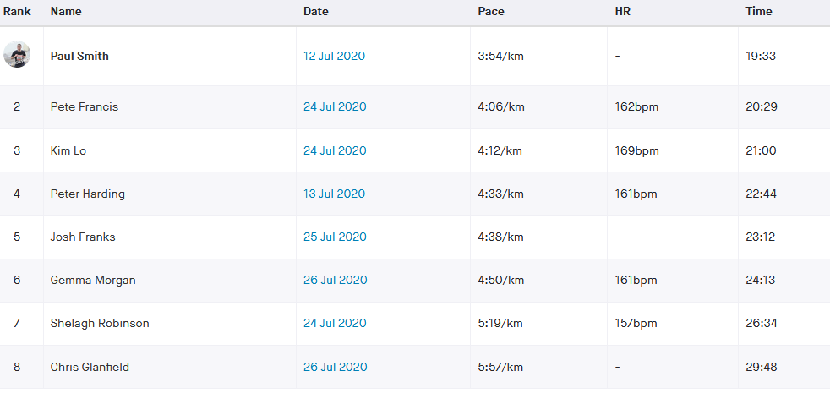
 | Nick | Strava time | Name | DoB | Sex | Age | col no | Age/Sex | O-Std | Age Time | Grade |  | Age/Sex | O-Std | Grade
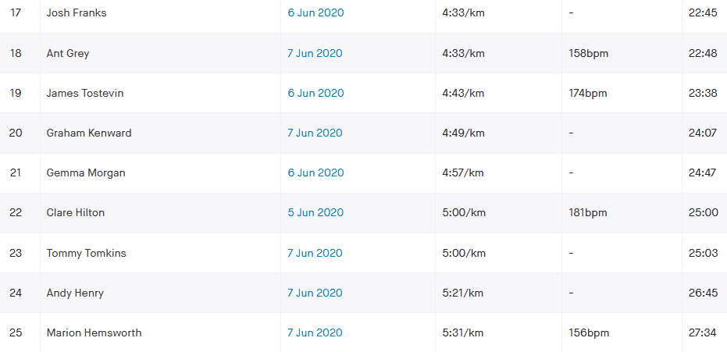
 | Name | (h:mm:ss) |  | (dd/mm/yy) | (m/f) |  |  | Factor | (secs) | (secs) | % |  | Factor | (secs) | % |  |  | age cat ranking
HH West 5k | frap | 0:20:29 | Peter Francis |  | m | 40 | 2 | 0.94710 | 779 | 822.5 | 66.93 | m1 | 1.00 | 779.00 | 63.38 | m1 | mV40 | 1
HH West 5k | lok | 0:21:00 | Kim Lo |  | f | 40 | 2 | 0.97340 | 886 | 910.2 | 72.24 | f1 | 1.00 | 886.00 | 70.32 | f1 | fV40 | 1
HH West 5k | fraj | 0:23:12 | Josh Franks |  | m | 39 | 2 | 0.95380 | 779 | 816.7 | 58.67 | m2 | 1.00 | 779.00 | 55.96 | m2 | mSen | 1
HH West 5k | morg | 0:24:13 | Gemma Morgan |  | f | 41 | 2 | 0.96780 | 886 | 915.5 | 63.01 | f2 | 1.00 | 886.00 | 60.98 | f2 | fV40 | 2
HH West 5k | robs | 0:26:34 | Shelagh Robinson |  | f | 49 | 2 | 0.90340 | 886 | 980.7 | 61.53 | f3 | 1.00 | 886.00 | 55.58 | f3 | fV40 | 3
HH West 5k | glac | 0:29:48 | Christopher Glanfield |  | m | 30 | 2 | 0.99700 | 779 | 781.3 | 43.70 | m4 | 1.00 | 779.00 | 43.57 | m3 | mSen | 2
HH West 5k | batr | 0:31:55 | Richard Bates |  | m | 70 | 2 | 0.74330 | 779 | 1048.0 | 54.73 | m3 | 1.00 | 779.00 | 40.68 | m4 | mV70 | 1
HH West 5k |  |  |  |  |  |  |  |  |  |  |  | 1 | 1.00 |  |  | 1 | V70 | 1
HH West 5k |  |  |  |  |  |  |  |  |  |  |  | 1 | 1.00 |  |  | 1 | V70 | 1
HH West 5k |  |  |  |  |  |  |  |  |  |  |  | 1 | 1.00 |  |  | 1 | V70 | 1
HH West 5k |  |  |  |  |  |  |  |  |  |  |  | 1 | 1.00 |  |  | 1 | V70 | 1
HH West 5k |  |  |  |  |  |  |  |  |  |  |  | 1 | 1.00 |  |  | 1 | V70 | 1
HH West 5k |  |  |  |  |  |  |  |  |  |  |  | 1 | 1.00 |  |  | 1 | V70 | 1
HH West 5k |  |  |  |  |  |  |  |  |  |  |  | 1 | 1.00 |  |  | 1 | V70 | 1
HH West 5k |  |  |  |  |  |  |  |  |  |  |  | 1 | 1.00 |  |  | 1 | V70 | 1
HH West 5k |  |  |  |  |  |  |  |  |  |  |  | 1 | 1.00 |  |  | 1 | V70 | 1
HH West 5k |  |  |  |  |  |  |  |  |  |  |  | 1 | 1.00 |  |  | 1 | V70 | 1
HH West 5k |  |  |  |  |  |  |  |  |  |  |  | 1 | 1.00 |  |  | 1 | V70 | 1
HH West 5k |  |  |  |  |  |  |  |  |  |  |  | 1 | 1.00 |  |  | 1 | V70 | 1
HH West 5k |  |  |  |  |  |  |  |  |  |  |  | 1 | 1.00 |  |  | 1 | V70 | 1
HH West 5k |  |  |  |  |  |  |  |  |  |  |  | 1 | 1.00 |  |  | 1 | V70 | 1
HH West 5k |  |  |  |  |  |  |  |  |  |  |  | 1 | 1.00 |  |  | 1 | V70 | 1
HH West 5k |  |  |  |  |  |  |  |  |  |  |  | 1 | 1.00 |  |  | 1 | V70 | 1
HH West 5k |  |  |  |  |  |  |  |  |  |  |  | 1 | 1.00 |  |  | 1 | V70 | 1
HH West 5k |  |  |  |  |  |  |  |  |  |  |  | 1 | 1.00 |  |  | 1 | V70 | 1
HH West 5k |  |  |  |  |  |  |  |  |  |  |  | 1 | 1.00 |  |  | 1 | V70 | 1
HH West 5k |  |  |  |  |  |  |  |  |  |  |  | 1 | 1.00 |  |  | 1 | V70 | 1
HH West 5k |  |  |  |  |  |  |  |  |  |  |  | 1 | 1.00 |  |  | 1 | V70 | 1
HH West 5k |  |  |  |  |  |  |  |  |  |  |  | 1 | 1.00 |  |  | 1 | V70 | 1
HH West 5k |  |  |  |  |  |  |  |  |  |  |  | 1 | 1.00 |  |  | 1 | V70 | 1
HH West 5k |  |  |  |  |  |  |  |  |  |  |  | 1 | 1.00 |  |  | 1 | V70 | 1
HH West 5k |  |  |  |  |  |  |  |  |  |  |  | 1 | 1.00 |  |  | 1 | V70 | 1
HH West 5k |  |  |  |  |  |  |  |  |  |  |  | 1 | 1.00 |  |  | 1 | V70 | 1

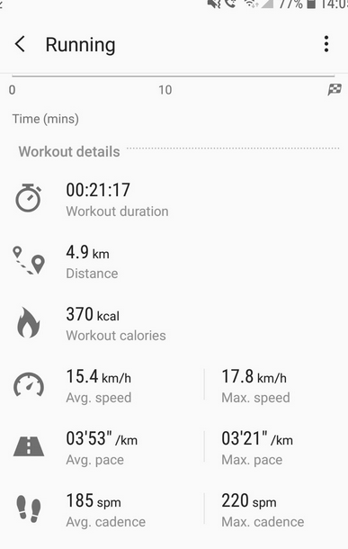

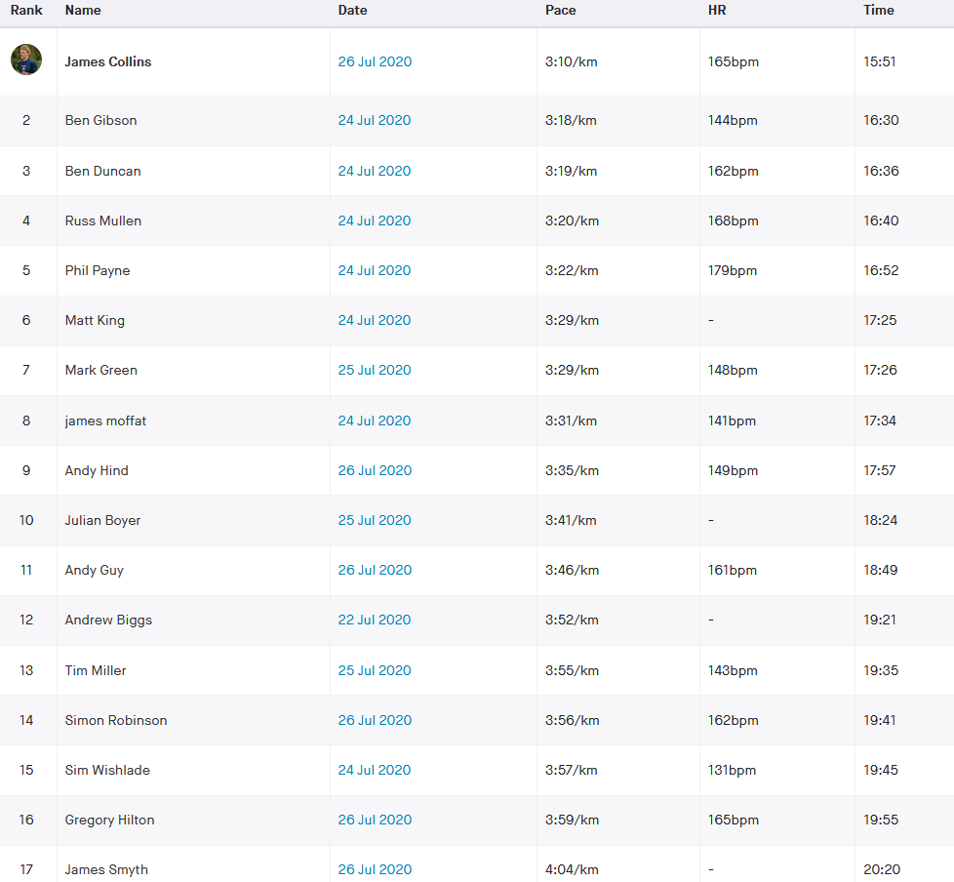
 |  |  |  |  |  |  |  |  |  |  |  |  |  |  |  |  |  | Manual
 |  |  | Race Description |  |  |  |  |  |  |  |  |  |  |  |  |  |  | device hiccup |  | 0:19:25 | based on 3:53 x5km
 |  |  | Event | Burgess Hill 5k
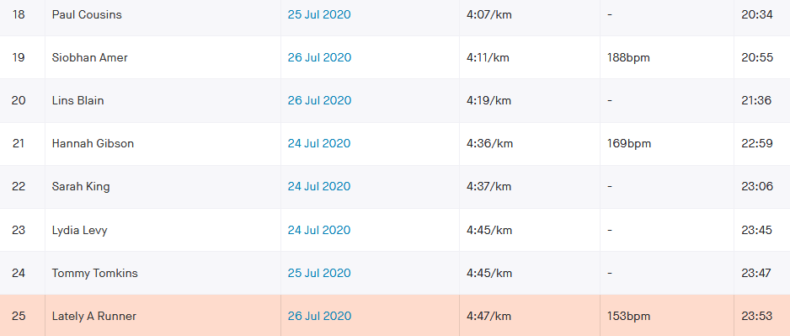
 |  |  | Distance | 5 km
 |  |  | Date | 2020-07-26
 |  |  |  |  |  |  |  | 4 |  | 3
 |  |  |  |  |  |  | Age adjusted |  |  |  |  |  | NO age correction grade
 | Data Entry |  | Brought in from MasterData |  |  |  | Data Used in Calculation of Grade
 | Nick | Strava time | Name | DoB | Sex | Age | col no | Age/Sex | O-Std | Age Time | Grade |  | Age/Sex | O-Std | Grade
 | Name | (h:mm:ss) |  | (dd/mm/yy) | (m/f) |  |  | Factor | (secs) | (secs) | % |  | Factor | (secs) | % |  |  | age cat ranking
Burgess Hill 5k | colj | 0:15:51 | James Collins |  | m | 26 | 2 | 1.00000 | 779 | 779.0 | 81.91 | m2 | 1.00 | 779.00 | 81.91 | m1 | mSen | 1
Burgess Hill 5k | gibb | 0:16:30 | Ben Gibson |  | m | 33 | 2 | 0.98820 | 779 | 788.3 | 79.63 | m5 | 1.00 | 779.00 | 78.69 | m2 | mSen | 2
Burgess Hill 5k | dunb | 0:16:36 | Benjamin Duncan |  | m | 43 | 2 | 0.92700 | 779 | 840.3 | 84.37 | m1 | 1.00 | 779.00 | 78.21 | m3 | mV40 | 1
Burgess Hill 5k | mulr | 0:16:40 | Russell Mullen |  | m | 34 | 2 | 0.98390 | 779 | 791.7 | 79.17 | m6 | 1.00 | 779.00 | 77.90 | m4 | mSen | 3
Burgess Hill 5k | payp | 0:16:52 | Phil Payne |  | m | 35 | 2 | 0.97900 | 779 | 795.7 | 78.63 | m8 | 1.00 | 779.00 | 76.98 | m5 | mSen | 4
Burgess Hill 5k | kinm | 0:17:25 | Matthew King |  | m | 39 | 2 | 0.95380 | 779 | 816.7 | 78.16 | m9 | 1.00 | 779.00 | 74.55 | m6 | mSen | 5
Burgess Hill 5k | grem | 0:17:26 | Mark Green |  | m | 35 | 2 | 0.97900 | 779 | 795.7 | 76.07 | m11 | 1.00 | 779.00 | 74.47 | m7 | mSen | 6
Burgess Hill 5k | mofj | 0:17:34 | James Moffat |  | m | 45 | 2 | 0.91360 | 779 | 852.7 | 80.90 | m4 | 1.00 | 779.00 | 73.91 | m8 | mV40 | 2
Burgess Hill 5k | hina | 0:17:57 | Andy Hind |  | m | 45 | 2 | 0.91360 | 779 | 852.7 | 79.17 | m7 | 1.00 | 779.00 | 72.33 | m9 | mV40 | 3
Burgess Hill 5k | boyj | 0:18:24 | Julian Boyer |  | m | 52 | 2 | 0.86670 | 779 | 898.8 | 81.41 | m3 | 1.00 | 779.00 | 70.56 | m10 | mV50 | 1
Burgess Hill 5k | guya | 0:18:49 | Andy Guy |  | m | 43 | 2 | 0.92700 | 779 | 840.3 | 74.43 | m13 | 1.00 | 779.00 | 69.00 | m11 | mV40 | 4
Burgess Hill 5k | fauc | 0:19:25 | Chris Faulkner |  | m | 47 | 2 | 0.90020 | 779 | 865.4 | 74.28 | m15 | 1.00 | 779.00 | 66.87 | m12 | mV40 | 5
Burgess Hill 5k | milt | 0:19:35 | Tim Miller |  | m | 54 | 2 | 0.85330 | 779 | 912.9 | 77.70 | m10 | 1.00 | 779.00 | 66.30 | m13 | mV50 | 2
Burgess Hill 5k | robs1 | 0:19:41 | Simon Robinson |  | m | 49 | 2 | 0.88680 | 779 | 878.4 | 74.38 | m14 | 1.00 | 779.00 | 65.96 | m14 | mV40 | 6
Burgess Hill 5k | wiss | 0:19:45 | Simeon Wishlade |  | m | 41 | 2 | 0.94040 | 779 | 828.4 | 69.90 | m16 | 1.00 | 779.00 | 65.74 | m15 | mV40 | 7
Burgess Hill 5k | hilg | 0:19:55 | Gregory Hilton |  | m | 39 | 2 | 0.95380 | 779 | 816.7 | 68.35 | m17 | 1.00 | 779.00 | 65.19 | m16 | mSen | 7
Burgess Hill 5k | smyj | 0:20:20 | James Smyth |  | m | 36 | 2 | 0.97340 | 779 | 800.3 | 65.60 | m19 | 1.00 | 779.00 | 63.85 | m17 | mSen | 8
Burgess Hill 5k | coup | 0:20:34 | Paul Cousins |  | m | 57 | 2 | 0.83320 | 779 | 935.0 | 75.77 | m12 | 1.00 | 779.00 | 63.13 | m18 | mV50 | 3
Burgess Hill 5k | ames | 0:20:55 | Siobhan Amer |  | f | 47 | 2 | 0.92250 | 886 | 960.4 | 76.53 | f3 | 1.00 | 886.00 | 70.60 | f1 | fV40 | 1
Burgess Hill 5k | blal | 0:21:36 | Lindsey Blain |  | f | 51 | 2 | 0.88400 | 886 | 1002.3 | 77.34 | f2 | 1.00 | 886.00 | 68.36 | f2 | fV50 | 1
Burgess Hill 5k | gibh | 0:22:59 | Hannah Gibson |  | f | 33 | 2 | 0.99770 | 886 | 888.0 | 64.40 | f5 | 1.00 | 886.00 | 64.25 | f3 | fSen | 1
Burgess Hill 5k | kins | 0:23:06 | Sarah King |  | f | 38 | 2 | 0.98310 | 886 | 901.2 | 65.02 | f4 | 1.00 | 886.00 | 63.92 | f4 | fSen | 2
Burgess Hill 5k | levl | 0:23:45 | Lydia Levy |  | f | 30 | 2 | 1.00000 | 886 | 886.0 | 62.18 | f6 | 1.00 | 886.00 | 62.18 | f5 | fSen | 3
Burgess Hill 5k | tomt | 0:23:47 | Tommy Tomkins |  | m | 52 | 2 | 0.86670 | 779 | 898.8 | 62.99 | m20 | 1.00 | 779.00 | 54.59 | m19 | mV50 | 4
Burgess Hill 5k | sykm | 0:23:53 | Mark Sykes |  | m | 61 | 2 | 0.80640 | 779 | 966.0 | 67.41 | m18 | 1.00 | 779.00 | 54.36 | m20 | mV60 | 1
Burgess Hill 5k | hemm | 0:26:12 | Marion Hemsworth |  | f | 69 | 2 | 0.70920 | 886 | 1249.3 | 79.47 | f1 | 1.00 | 886.00 | 56.36 | f6 | fV60 | 1
Burgess Hill 5k | hinc | 0:30:05 | Carys Hind |  | f | 39 | 2 | 0.97850 | 886 | 905.5 | 50.16 | f7 | 1.00 | 886.00 | 49.09 | f7 | fSen | 4
Burgess Hill 5k |  |  |  |  |  |  |  |  |  |  |  | 1 | 1.00 |  |  | 1 | V70 | 1
Burgess Hill 5k |  |  |  |  |  |  |  |  |  |  |  | 1 | 1.00 |  |  | 1 | V70 | 1
Burgess Hill 5k |  |  |  |  |  |  |  |  |  |  |  | 1 | 1.00 |  |  | 1 | V70 | 1
Burgess Hill 5k |  |  |  |  |  |  |  |  |  |  |  | 1 | 1.00 |  |  | 1 | V70 | 1
Burgess Hill 5k |  |  |  |  |  |  |  |  |  |  |  | 1 | 1.00 |  |  | 1 | V70 | 1
Burgess Hill 5k |  |  |  |  |  |  |  |  |  |  |  | 1 | 1.00 |  |  | 1

