Tables VR3 (2)
HHH VR series 2020 Race #3 5k |  |  |  |  |  |  |  |  |  |  |  |  |  |  |  | selector | WMA 2015 | factor basis

 | Participants by gender / age Category

 | mSen |  |  | mV40 |  |  | mV50 |  |  | mV60 |  |  | mU20
 | runner | time | course | runner | time | course | runner | time | course | runner | time | course | runner | time | course
1 | Ben Gibson | 0:16:09 | Burgess Hill 5k | Benjamin Duncan | 0:17:05 | Burgess Hill 5k | Paul Cousins | 0:18:22 | Burgess Hill 5k | Tim Hicks | 0:21:07 | Lindfield 5k | #N/A | #N/A | #N/A
2 | Russell Mullen | 0:17:05 | Burgess Hill 5k | Michael Burke | 0:17:17 | HH West 5k | Julian Boyer | 0:18:37 | Burgess Hill 5k | Chris Russell | 0:21:11 | HH West 5k
3 | Matthew King | 0:17:11 | Burgess Hill 5k | Michael Burke | 0:18:18 | Lindfield 5k | Julian Boyer | 0:19:35 | HH West 5k | #N/A | #N/A | #N/A
4 | Matt Cook | 0:18:50 | Lindfield 5k | James Moffat | 0:18:43 | HH West 5k | Jason Robinson | 0:20:15 | Burgess Hill 5k | #N/A | #N/A | #N/A
5 | James Smyth | 0:20:28 | Burgess Hill 5k | Andy Hind | 0:19:40 | HH West 5k | Ian Dumbrell | 0:20:22 | Burgess Hill 5k
6 | Gregory Hilton | 0:21:45 | HH West 5k | Simeon Wishlade | 0:20:05 | HH West 5k | Tim Miller | 0:20:25 | HH West 5k
7 | Mark Green | 0:21:46 | HH West 5k | Dave Warren | 0:20:15 | HH West 5k | Steve Mitchell | 0:22:08 | HH West 5k
8 | Josh Franks | 0:22:45 | HH West 5k | Andy Hind | 0:20:31 | Lindfield 5k | Jason Robinson | 0:22:38 | Lindfield 5k
9 | Gregory Hilton | 0:23:52 | Lindfield 5k | Andy Guy | 0:20:31 | Lindfield 5k | Ant Grey | 0:22:48 | HH West 5k
10 | #N/A | #N/A | #N/A | Simon Robinson | 0:20:32 | HH West 5k | Paul Cousins | 0:22:50 | Lindfield 5k
11 | #N/A | #N/A | #N/A | Peter Francis | 0:20:36 | HH West 5k | Carl Bicknell | 0:24:07 | Lindfield 5k
12 | #N/A | #N/A | #N/A | Chris Faulkner | 0:20:39 | Burgess Hill 5k | Graham Kenward | 0:24:07 | HH West 5k
13 | #N/A | #N/A | #N/A | Chris Faulkner | 0:21:32 | HH West 5k | Tommy Tomkins | 0:25:03 | HH West 5k
14 | #N/A | #N/A | #N/A | Chris Faulkner | 0:22:18 | Lindfield 5k | Tommy Tomkins | 0:26:29 | Burgess Hill 5k
15 |  |  |  | Peter Francis | 0:23:44 | Lindfield 5k | Andy Henry | 0:26:45 | HH West 5k
16 |  |  |  | #N/A | #N/A | #N/A | #N/A | #N/A | #N/A
17 |  |  |  | #N/A | #N/A | #N/A | #N/A | #N/A | #N/A
18
19
20

 | fSen |  |  | fV40 |  |  | fV50 |  |  | fV60
 | runner | time | course | runner | time | course | runner | time | course | runner | time | course
1 | Lydia Levy | 0:24:41 | Lindfield 5k | Siobhan Amer | 0:21:12 | Burgess Hill 5k | Karen Thompson | 0:21:49 | Burgess Hill 5k | Marion Hemsworth | 0:27:34 | HH West 5k
2 | Sarah King | 0:25:20 | Lindfield 5k | Gemma Morgan | 0:24:47 | HH West 5k | Lindsey Blain | 0:22:37 | HH West 5k | #N/A | #N/A | #N/A
3 | Carys Hind | 0:33:09 | Lindfield 5k | Shelagh Robinson | 0:24:58 | Burgess Hill 5k | Katherine Buckeridge | 0:24:51 | Lindfield 5k
4 | #N/A | #N/A | #N/A | Shelagh Robinson | 0:26:55 | Lindfield 5k | #N/A | #N/A | #N/A
5 | #N/A | #N/A | #N/A | #N/A | #N/A | #N/A
6 | #N/A | #N/A | #N/A | #N/A | #N/A | #N/A
7 |  |  |  | #N/A | #N/A | #N/A
8 |  |  |  | #N/A | #N/A | #N/A
9 |  |  |  | #N/A | #N/A | #N/A
10
11
12
13
14
15
16
17
18
19
20
 |  |  | apologies to those who showed on the Strava leaderboard but HHH Cttee agreed to
 |  |  | not show results of Junior members or non-members in the official results - But well done to you.

Participants by age Grade

 | runner | time | age grade | age (7/6/20) | Cat | Course
1 | Paul Cousins | 0:18:22 | 84.84 | 57 | mV50 | Burgess Hill 5k
2 | Benjamin Duncan | 0:17:05 | 81.98 | 43 | mV40 | Burgess Hill 5k
3 | Ben Gibson | 0:16:09 | 81.35 | 33 | mSen | Burgess Hill 5k
4 | Michael Burke | 0:17:17 | 81.04 | 43 | mV40 | HH West 5k
5 | Karen Thompson | 0:21:49 | 81.02 | 56 | fV50 | Burgess Hill 5k
6 | Julian Boyer | 0:18:37 | 80.47 | 52 | mV50 | Burgess Hill 5k
7 | Matthew King | 0:17:11 | 79.22 | 39 | mSen | Burgess Hill 5k
8 | Russell Mullen | 0:17:05 | 77.24 | 34 | mSen | Burgess Hill 5k
9 | Michael Burke | 0:18:18 | 76.53 | 43 | mV40 | Lindfield 5k
10 | Julian Boyer | 0:19:35 | 76.49 | 52 | mV50 | HH West 5k
11 | Tim Hicks | 0:21:07 | 76.24 | 61 | mV60 | Lindfield 5k
12 | James Moffat | 0:18:43 | 75.93 | 45 | mV40 | HH West 5k
13 | Marion Hemsworth | 0:27:34 | 75.53 | 69 | fV60 | HH West 5k
14 | Siobhan Amer | 0:21:12 | 75.51 | 47 | fV40 | Burgess Hill 5k
15 | Chris Russell | 0:21:11 | 75.38 | 60 | mV60 | HH West 5k
16 | Ian Dumbrell | 0:20:22 | 74.71 | 54 | mV50 | Burgess Hill 5k
17 | Tim Miller | 0:20:25 | 73.94 | 53 | mV50 | HH West 5k
18 | Lindsey Blain | 0:22:37 | 73.06 | 50 | fV50 | HH West 5k
19 | Jason Robinson | 0:20:15 | 72.85 | 50 | mV50 | Burgess Hill 5k
20 | Matt Cook | 0:18:50 | 72.28 | 39 | mSen | Lindfield 5k
21 | Dave Warren | 0:20:15 | 71.76 | 48 | mV40 | HH West 5k
22 | Andy Hind | 0:19:40 | 71.73 | 44 | mV40 | HH West 5k
23 | Simon Robinson | 0:20:32 | 71.30 | 49 | mV40 | HH West 5k
24 | Chris Faulkner | 0:20:39 | 69.84 | 47 | mV40 | Burgess Hill 5k
25 | Andy Hind | 0:20:31 | 68.76 | 44 | mV40 | Lindfield 5k
26 | Simeon Wishlade | 0:20:05 | 68.74 | 41 | mV40 | HH West 5k
27 | Steve Mitchell | 0:22:08 | 68.74 | 54 | mV50 | HH West 5k
28 | Andy Guy | 0:20:31 | 68.26 | 43 | mV40 | Lindfield 5k
29 | Paul Cousins | 0:22:50 | 68.24 | 57 | mV50 | Lindfield 5k
30 | Chris Faulkner | 0:21:32 | 66.98 | 47 | mV40 | HH West 5k
31 | Peter Francis | 0:20:36 | 66.55 | 40 | mV40 | HH West 5k
32 | Katherine Buckeridge | 0:24:51 | 66.49 | 50 | fV50 | Lindfield 5k
33 | Shelagh Robinson | 0:24:58 | 65.47 | 49 | fV40 | Burgess Hill 5k
34 | Ant Grey | 0:22:48 | 65.20 | 51 | mV50 | HH West 5k
35 | Jason Robinson | 0:22:38 | 65.18 | 50 | mV50 | Lindfield 5k
36 | James Smyth | 0:20:28 | 65.17 | 36 | mSen | Burgess Hill 5k
37 | Carl Bicknell | 0:24:07 | 65.14 | 58 | mV50 | Lindfield 5k
38 | Chris Faulkner | 0:22:18 | 64.68 | 47 | mV40 | Lindfield 5k
39 | Graham Kenward | 0:24:07 | 64.10 | 56 | mV50 | HH West 5k
40 | Gregory Hilton | 0:21:45 | 62.58 | 39 | mSen | HH West 5k
41 | Gemma Morgan | 0:24:47 | 61.21 | 40 | fV40 | HH West 5k
42 | Mark Green | 0:21:46 | 60.93 | 35 | mSen | HH West 5k
43 | Shelagh Robinson | 0:26:55 | 60.73 | 49 | fV40 | Lindfield 5k
44 | Josh Franks | 0:22:45 | 59.83 | 39 | mSen | HH West 5k
45 | Lydia Levy | 0:24:41 | 59.82 | 30 | fSen | Lindfield 5k
46 | Tommy Tomkins | 0:25:03 | 59.80 | 52 | mV50 | HH West 5k
47 | Sarah King | 0:25:20 | 59.29 | 38 | fSen | Lindfield 5k
48 | Peter Francis | 0:23:44 | 57.76 | 40 | mV40 | Lindfield 5k
49 | Gregory Hilton | 0:23:52 | 57.03 | 39 | mSen | Lindfield 5k
50 | Tommy Tomkins | 0:26:29 | 56.56 | 52 | mV50 | Burgess Hill 5k
51 | Andy Henry | 0:26:45 | 56.00 | 52 | mV50 | HH West 5k
52 | Carys Hind | 0:33:09 | 45.52 | 39 | fSen | Lindfield 5k
53 | #NUM! | #NUM! | #NUM! | #NUM! | #NUM! | #NUM!

Participants relative to "handicap" target

This table has been renamed from previous editions.
Our aim was to have a type of handicap element running in parallel so that runners could could see if they were running close to the handicap. As with all handicaps there is a well established process to try to ensure that the "winner" of 1 event doesn't "win" the next one! - by slightly stacking the dice.
We chose to use Clair Park PB's as target for VR1. Clair is a hilly 5k so on the flatter courses runners should do well against this - of course they will miss other runners to spur them on! Some runners had never done Clair Parkrun (shame!!) so were missed off.
For VR2 (a 10k) : we doubled your Clair PB, or if you beat your Clair PB in VR1 we doubled that. If you'd never run Clair but had run VR1 we also doubled that.
For VR3 (5k). We needed to address how to treat those who beat their target in VR2. we decided take 50% of your VR2 time and then take a further 4% off to reflect the shorter distance. We did the same for those who had no Clair PB and just ran VR2
Disputes on the above will be settled in either the Standup or Lockheart at a date to be advised.
 | runner | time | "handicap" | % "handicap" | Course
1 | Josh Franks | 0:22:45 | 0:24:25 | 93.17% | HH West 5k
2 | Chris Faulkner | 0:20:39 | 0:21:55 | 94.22% | Burgess Hill 5k
3 | Ben Gibson | 0:16:09 | 0:17:07 | 94.35% | Burgess Hill 5k
4 | Jason Robinson | 0:20:15 | 0:21:24 | 94.63% | Burgess Hill 5k
5 | Ian Dumbrell | 0:20:22 | 0:21:16 | 95.77% | Burgess Hill 5k
6 | Simeon Wishlade | 0:20:05 | 0:20:55 | 96.02% | HH West 5k
7 | James Smyth | 0:20:28 | 0:21:17 | 96.16% | Burgess Hill 5k
8 | Matthew King | 0:17:11 | 0:17:50 | 96.36% | Burgess Hill 5k
9 | Karen Thompson | 0:21:49 | 0:22:31 | 96.89% | Burgess Hill 5k
10 | Shelagh Robinson | 0:24:58 | 0:25:41 | 97.21% | Burgess Hill 5k
11 | Benjamin Duncan | 0:17:05 | 0:17:24 | 98.18% | Burgess Hill 5k
12 | Chris Faulkner | 0:21:32 | 0:21:55 | 98.25% | HH West 5k
13 | Siobhan Amer | 0:21:12 | 0:21:32 | 98.45% | Burgess Hill 5k
14 | Julian Boyer | 0:18:37 | 0:18:42 | 99.55% | Burgess Hill 5k
15 | Dave Warren | 0:20:15 | 0:20:10 | 100.41% | HH West 5k
16 | Paul Cousins | 0:18:22 | 0:18:17 | 100.46% | Burgess Hill 5k
17 | Russell Mullen | 0:17:05 | 0:16:58 | 100.69% | Burgess Hill 5k
18 | Michael Burke | 0:17:17 | 0:17:06 | 101.07% | HH West 5k
19 | James Moffat | 0:18:43 | 0:18:30 | 101.17% | HH West 5k
20 | Graham Kenward | 0:24:07 | 0:23:47 | 101.40% | HH West 5k
21 | Simon Robinson | 0:20:32 | 0:20:12 | 101.65% | HH West 5k
22 | Chris Faulkner | 0:22:18 | 0:21:55 | 101.75% | Lindfield 5k
23 | Lindsey Blain | 0:22:37 | 0:22:09 | 102.11% | HH West 5k
24 | Chris Russell | 0:21:11 | 0:20:42 | 102.33% | HH West 5k
25 | Tim Miller | 0:20:25 | 0:19:53 | 102.68% | HH West 5k
26 | Matt Cook | 0:18:50 | 0:18:16 | 103.10% | Lindfield 5k
27 | Peter Francis | 0:20:36 | 0:19:58 | 103.17% | HH West 5k
28 | Gemma Morgan | 0:24:47 | 0:23:51 | 103.91% | HH West 5k
29 | Steve Mitchell | 0:22:08 | 0:21:12 | 104.40% | HH West 5k
30 | Julian Boyer | 0:19:35 | 0:18:42 | 104.72% | HH West 5k
31 | Tim Hicks | 0:21:07 | 0:20:09 | 104.80% | Lindfield 5k
32 | Shelagh Robinson | 0:26:55 | 0:25:41 | 104.80% | Lindfield 5k
33 | Tommy Tomkins | 0:25:03 | 0:23:54 | 104.81% | HH West 5k
34 | Katherine Buckeridge | 0:24:51 | 0:23:40 | 105.00% | Lindfield 5k
35 | Lydia Levy | 0:24:41 | 0:23:30 | 105.04% | Lindfield 5k
36 | Marion Hemsworth | 0:27:34 | 0:26:13 | 105.15% | HH West 5k
37 | Gregory Hilton | 0:21:45 | 0:20:39 | 105.33% | HH West 5k
38 | Jason Robinson | 0:22:38 | 0:21:24 | 105.76% | Lindfield 5k
39 | Andy Hind | 0:19:40 | 0:18:28 | 106.50% | HH West 5k
40 | Sarah King | 0:25:20 | 0:23:45 | 106.67% | Lindfield 5k
41 | Michael Burke | 0:18:18 | 0:17:06 | 107.02% | Lindfield 5k
42 | Ant Grey | 0:22:48 | 0:21:16 | 107.21% | HH West 5k
43 | Andy Henry | 0:26:45 | 0:24:39 | 108.52% | HH West 5k
44 | Carl Bicknell | 0:24:07 | 0:21:52 | 110.29% | Lindfield 5k
45 | Andy Guy | 0:20:31 | 0:18:34 | 110.50% | Lindfield 5k
46 | Tommy Tomkins | 0:26:29 | 0:23:54 | 110.81% | Burgess Hill 5k
47 | Andy Hind | 0:20:31 | 0:18:28 | 111.10% | Lindfield 5k
48 | Gregory Hilton | 0:23:52 | 0:20:39 | 115.58% | Lindfield 5k
49 | Peter Francis | 0:23:44 | 0:19:58 | 118.86% | Lindfield 5k
50 | Carys Hind | 0:33:09 | 0:27:52 | 118.96% | Lindfield 5k
51 | Mark Green | 0:21:46 | 0:18:14 | 119.38% | HH West 5k
52 | Paul Cousins | 0:22:50 | 0:18:17 | 124.89% | Lindfield 5k
53 | #NUM! | #NUM! | #NUM! | #NUM! | #NUM!

HHH 5k (3)
HHH 5k (3) |  | 52 |  |  |  |  |  |  |  |  |  |  |  |  |  |  | age cats
 |  |  | Race Description
 |  |  | Event | Lindfield 5k |  |  |  |  |  |  |  |  |  |  |  |  | 20 |  | U20
 |  |  | Distance | 5 km |  |  |  |  |  |  |  |  |  |  |  |  | 20 | 40 | Sen
 |  |  | Date | 2020-06-07 |  |  |  |  |  |  |  |  |  |  |  |  | 40 | 50 | V40
 |  |  |  |  |  |  |  | 4 |  | 3 |  |  |  |  |  |  | 50 | 60 | V50
 |  |  |  |  |  |  | Age adjusted |  |  |  |  |  | NO age correction grade |  |  |  | 60 | 70 | V60
 | Data Entry |  | Brought in from MasterData |  |  |  | Data Used in Calculation of Grade |  |  |  |  |  |  |  |  |  | 70 |  | V70 | manual
 | Nick | Strava time | Name | DoB | Sex | Age | col no | Age/Sex | O-Std | Age Time | Grade |  | Age/Sex | O-Std | Grade |  |  |  |  | carl Bicknell | 0:24:07
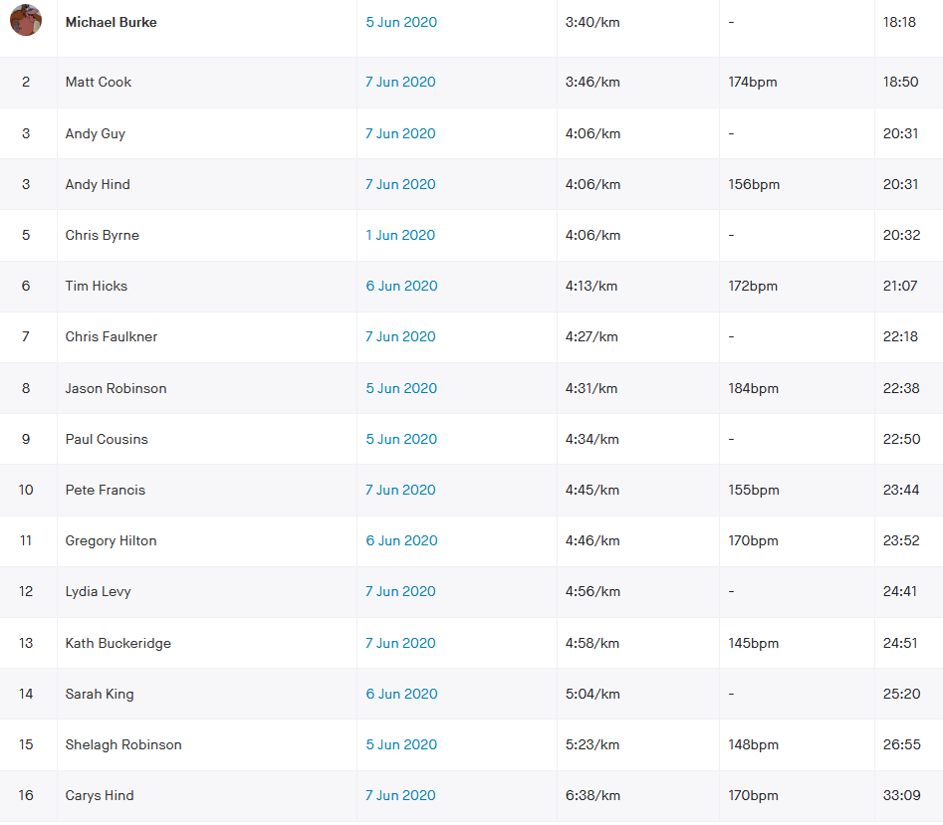
 | Name | (h:mm:ss) |  | (dd/mm/yy) | (m/f) |  |  | Factor | (secs) | (secs) | % |  | Factor | (secs) | % |  |  | age cat ranking
Lindfield 5k | burm | 0:18:18 | Michael Burke |  | m | 43 | 2 | 0.92700 | 779 | 840.3 | 76.53 | m1 | 1.00 | 779.00 | 70.95 | m1 | mV40 | 1
Lindfield 5k | coom | 0:18:50 | Matt Cook |  | m | 39 | 2 | 0.95380 | 779 | 816.7 | 72.28 | m3 | 1.00 | 779.00 | 68.94 | m2 | mSen | 1
Lindfield 5k | hina | 0:20:31 | Andy Hind |  | m | 44 | 2 | 0.92030 | 779 | 846.5 | 68.76 | m4 | 1.00 | 779.00 | 63.28 | m3 | mV40 | 2
Lindfield 5k | guya | 0:20:31 | Andy Guy |  | m | 43 | 2 | 0.92700 | 779 | 840.3 | 68.26 | m5 | 1.00 | 779.00 | 63.28 | m4 | mV40 | 3
Lindfield 5k | hict | 0:21:07 | Tim Hicks |  | m | 61 | 2 | 0.80640 | 779 | 966.0 | 76.24 | m2 | 1.00 | 779.00 | 61.48 | m5 | mV60 | 1
Lindfield 5k | fauc | 0:22:18 | Chris Faulkner |  | m | 47 | 2 | 0.90020 | 779 | 865.4 | 64.68 | m9 | 1.00 | 779.00 | 58.22 | m6 | mV40 | 4
Lindfield 5k | robj | 0:22:38 | Jason Robinson |  | m | 50 | 2 | 0.88010 | 779 | 885.1 | 65.18 | m7 | 1.00 | 779.00 | 57.36 | m7 | mV50 | 1
Lindfield 5k | coup | 0:22:50 | Paul Cousins |  | m | 57 | 2 | 0.83320 | 779 | 935.0 | 68.24 | m6 | 1.00 | 779.00 | 56.86 | m8 | mV50 | 2
Lindfield 5k | frap | 0:23:44 | Peter Francis |  | m | 40 | 2 | 0.94710 | 779 | 822.5 | 57.76 | m10 | 1.00 | 779.00 | 54.71 | m9 | mV40 | 5
Lindfield 5k | hilg | 0:23:52 | Gregory Hilton |  | m | 39 | 2 | 0.95380 | 779 | 816.7 | 57.03 | m11 | 1.00 | 779.00 | 54.40 | m10 | mSen | 2
Lindfield 5k | bicc | 0:24:07 | Carl Bicknell |  | m | 58 | 2 | 0.82650 | 779 | 942.5 | 65.14 | m8 | 1.00 | 779.00 | 53.84 | m11 | mV50 | 3
Lindfield 5k | levl | 0:24:41 | Lydia Levy |  | f | 30 | 2 | 1.00000 | 886 | 886.0 | 59.82 | f3 | 1.00 | 886.00 | 59.82 | f1 | fSen | 1
Lindfield 5k | buck | 0:24:51 | Katherine Buckeridge |  | f | 50 | 2 | 0.89370 | 886 | 991.4 | 66.49 | f1 | 1.00 | 886.00 | 59.42 | f2 | fV50 | 1
Lindfield 5k | kins | 0:25:20 | Sarah King |  | f | 38 | 2 | 0.98310 | 886 | 901.2 | 59.29 | f4 | 1.00 | 886.00 | 58.29 | f3 | fSen | 2
Lindfield 5k | robs | 0:26:55 | Shelagh Robinson |  | f | 49 | 2 | 0.90340 | 886 | 980.7 | 60.73 | f2 | 1.00 | 886.00 | 54.86 | f4 | fV40 | 1
Lindfield 5k | hinc | 0:33:09 | Carys Hind |  | f | 39 | 2 | 0.97850 | 886 | 905.5 | 45.52 | f5 | 1.00 | 886.00 | 44.54 | f5 | fSen | 3
Lindfield 5k |  |  |  |  |  |  |  |  |  |  |  | 1 | 1.00 |  |  | 1 | V70 | 1
Lindfield 5k |  |  |  |  |  |  |  |  |  |  |  | 1 | 1.00 |  |  | 1 | V70 | 1
Lindfield 5k |  |  |  |  |  |  |  |  |  |  |  | 1 | 1.00 |  |  | 1 | V70 | 1
Lindfield 5k |  |  |  |  |  |  |  |  |  |  |  | 1 | 1.00 |  |  | 1 | V70 | 1
Lindfield 5k |  |  |  |  |  |  |  |  |  |  |  | 1 | 1.00 |  |  | 1

 |  |  | Race Description
 |  |  | Event | HH West 5k
 |  |  | Distance | 5 km
 |  |  | Date | 2020-06-07
 |  |  |  |  |  |  |  | 4 |  | 3
 |  |  |  |  |  |  | Age adjusted |  |  |  |  |  | NO age correction grade
 | Data Entry |  | Brought in from MasterData |  |  |  | Data Used in Calculation of Grade
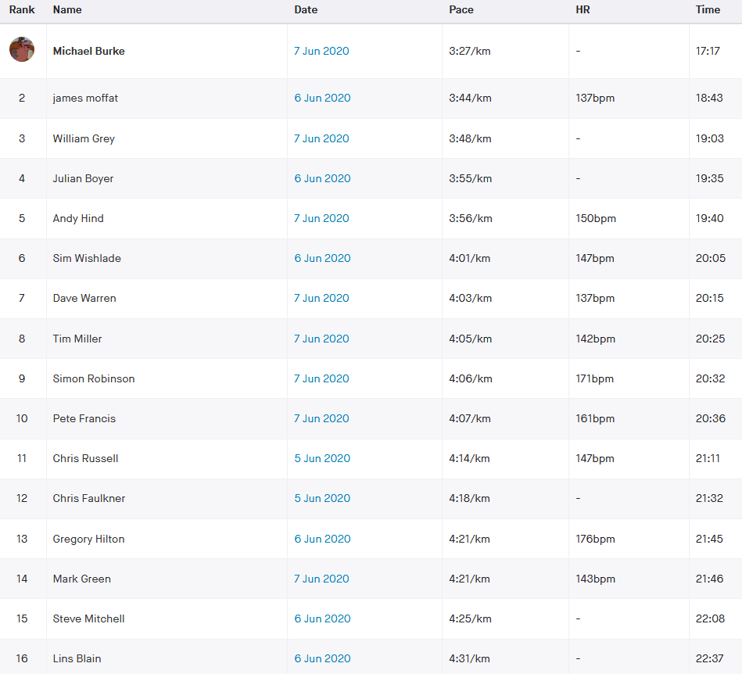
 | Nick | Strava time | Name | DoB | Sex | Age | col no | Age/Sex | O-Std | Age Time | Grade |  | Age/Sex | O-Std | Grade
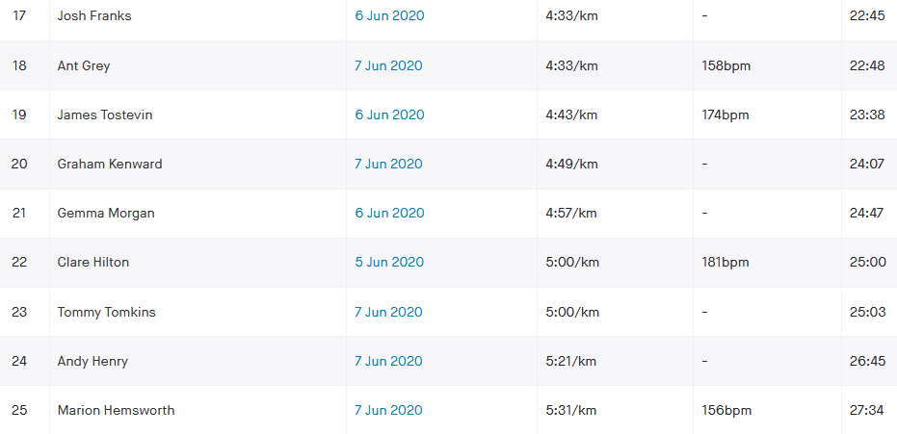
 | Name | (h:mm:ss) |  | (dd/mm/yy) | (m/f) |  |  | Factor | (secs) | (secs) | % |  | Factor | (secs) | % |  |  | age cat ranking
HH West 5k | burm | 0:17:17 | Michael Burke |  | m | 43 | 2 | 0.92700 | 779 | 840.3 | 81.04 | m1 | 1.00 | 779.00 | 75.12 | m1 | mV40 | 1
HH West 5k | mofj | 0:18:43 | James Moffat |  | m | 45 | 2 | 0.91360 | 779 | 852.7 | 75.93 | m3 | 1.00 | 779.00 | 69.37 | m2 | mV40 | 2
HH West 5k | boyj | 0:19:35 | Julian Boyer |  | m | 52 | 2 | 0.86670 | 779 | 898.8 | 76.49 | m2 | 1.00 | 779.00 | 66.30 | m3 | mV50 | 1
HH West 5k | hina | 0:19:40 | Andy Hind |  | m | 44 | 2 | 0.92030 | 779 | 846.5 | 71.73 | m7 | 1.00 | 779.00 | 66.02 | m4 | mV40 | 3
HH West 5k | wiss | 0:20:05 | Simeon Wishlade |  | m | 41 | 2 | 0.94040 | 779 | 828.4 | 68.74 | m9 | 1.00 | 779.00 | 64.65 | m5 | mV40 | 4
HH West 5k | ward | 0:20:15 | Dave Warren |  | m | 48 | 2 | 0.89350 | 779 | 871.9 | 71.76 | m6 | 1.00 | 779.00 | 64.11 | m6 | mV40 | 5
HH West 5k | milt | 0:20:25 | Tim Miller |  | m | 53 | 2 | 0.86000 | 779 | 905.8 | 73.94 | m5 | 1.00 | 779.00 | 63.59 | m7 | mV50 | 2
HH West 5k | robs1 | 0:20:32 | Simon Robinson |  | m | 49 | 2 | 0.88680 | 779 | 878.4 | 71.30 | m8 | 1.00 | 779.00 | 63.23 | m8 | mV40 | 6
HH West 5k | frap | 0:20:36 | Peter Francis |  | m | 40 | 2 | 0.94710 | 779 | 822.5 | 66.55 | m12 | 1.00 | 779.00 | 63.03 | m9 | mV40 | 7
HH West 5k | rusc | 0:21:11 | Chris Russell |  | m | 60 | 2 | 0.81310 | 779 | 958.1 | 75.38 | m4 | 1.00 | 779.00 | 61.29 | m10 | mV60 | 1
HH West 5k | fauc | 0:21:32 | Chris Faulkner |  | m | 47 | 2 | 0.90020 | 779 | 865.4 | 66.98 | m11 | 1.00 | 779.00 | 60.29 | m11 | mV40 | 8
HH West 5k | hilg | 0:21:45 | Gregory Hilton |  | m | 39 | 2 | 0.95380 | 779 | 816.7 | 62.58 | m15 | 1.00 | 779.00 | 59.69 | m12 | mSen | 1
HH West 5k | grem | 0:21:46 | Mark Green |  | m | 35 | 2 | 0.97900 | 779 | 795.7 | 60.93 | m16 | 1.00 | 779.00 | 59.65 | m13 | mSen | 2
HH West 5k | mits | 0:22:08 | Steve Mitchell |  | m | 54 | 2 | 0.85330 | 779 | 912.9 | 68.74 | m10 | 1.00 | 779.00 | 58.66 | m14 | mV50 | 3
HH West 5k | blal | 0:22:37 | Lindsey Blain |  | f | 50 | 2 | 0.89370 | 886 | 991.4 | 73.06 | f2 | 1.00 | 886.00 | 65.29 | f1 | fV50 | 1
HH West 5k | fraj | 0:22:45 | Josh Franks |  | m | 39 | 2 | 0.95380 | 779 | 816.7 | 59.83 | m17 | 1.00 | 779.00 | 57.07 | m15 | mSen | 3
HH West 5k | grea | 0:22:48 | Ant Grey |  | m | 51 | 2 | 0.87340 | 779 | 891.9 | 65.20 | m13 | 1.00 | 779.00 | 56.94 | m16 | mV50 | 4
HH West 5k | keng | 0:24:07 | Graham Kenward |  | m | 56 | 2 | 0.83990 | 779 | 927.5 | 64.10 | m14 | 1.00 | 779.00 | 53.84 | m17 | mV50 | 5
HH West 5k | morg | 0:24:47 | Gemma Morgan |  | f | 40 | 2 | 0.97340 | 886 | 910.2 | 61.21 | f3 | 1.00 | 886.00 | 59.58 | f2 | fV40 | 1
HH West 5k | tomt | 0:25:03 | Tommy Tomkins |  | m | 52 | 2 | 0.86670 | 779 | 898.8 | 59.80 | m18 | 1.00 | 779.00 | 51.83 | m18 | mV50 | 6
HH West 5k | hena | 0:26:45 | Andy Henry |  | m | 52 | 2 | 0.86670 | 779 | 898.8 | 56.00 | m19 | 1.00 | 779.00 | 48.54 | m19 | mV50 | 7
HH West 5k | hemm | 0:27:34 | Marion Hemsworth |  | f | 69 | 2 | 0.70920 | 886 | 1249.3 | 75.53 | f1 | 1.00 | 886.00 | 53.57 | f3 | fV60 | 1
HH West 5k |  |  |  |  |  |  |  |  |  |  |  | 1 | 1.00 |  |  | 1 | V70 | 1
HH West 5k |  |  |  |  |  |  |  |  |  |  |  | 1 | 1.00 |  |  | 1 | V70 | 1
HH West 5k |  |  |  |  |  |  |  |  |  |  |  | 1 | 1.00 |  |  | 1 | V70 | 1
HH West 5k |  |  |  |  |  |  |  |  |  |  |  | 1 | 1.00 |  |  | 1 | V70 | 1
HH West 5k |  |  |  |  |  |  |  |  |  |  |  | 1 | 1.00 |  |  | 1 | V70 | 1
HH West 5k |  |  |  |  |  |  |  |  |  |  |  | 1 | 1.00 |  |  | 1 | V70 | 1
HH West 5k |  |  |  |  |  |  |  |  |  |  |  | 1 | 1.00 |  |  | 1 | V70 | 1
HH West 5k |  |  |  |  |  |  |  |  |  |  |  | 1 | 1.00 |  |  | 1 | V70 | 1
HH West 5k |  |  |  |  |  |  |  |  |  |  |  | 1 | 1.00 |  |  | 1 | V70 | 1
HH West 5k |  |  |  |  |  |  |  |  |  |  |  | 1 | 1.00 |  |  | 1 | V70 | 1
HH West 5k |  |  |  |  |  |  |  |  |  |  |  | 1 | 1.00 |  |  | 1 | V70 | 1

 |  |  | apologies to those who showed on the Strava leaderboard but HHH Cttee agreed to
 |  |  | not show results of Junior members or non-members in the official results - But well done to you.

 |  |  | Race Description
 |  |  | Event | Burgess Hill 5k
 |  |  | Distance | 5 km
 |  |  | Date | 2020-06-07
 |  |  |  |  |  |  |  | 4 |  | 3
 |  |  |  |  |  |  | Age adjusted |  |  |  |  |  | NO age correction grade
 | Data Entry |  | Brought in from MasterData |  |  |  | Data Used in Calculation of Grade
 | Nick | Strava time | Name | DoB | Sex | Age | col no | Age/Sex | O-Std | Age Time | Grade |  | Age/Sex | O-Std | Grade
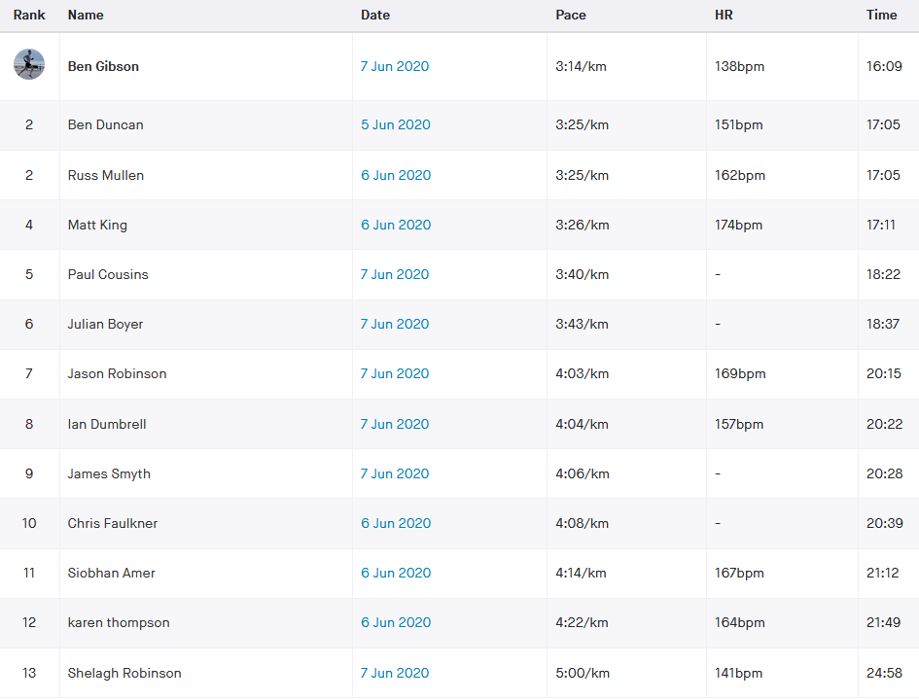
 | Name | (h:mm:ss) |  | (dd/mm/yy) | (m/f) |  |  | Factor | (secs) | (secs) | % |  | Factor | (secs) | % |  |  | age cat ranking
Burgess Hill 5k | gibb | 0:16:09 | Ben Gibson |  | m | 33 | 2 | 0.98820 | 779 | 788.3 | 81.35 | m3 | 1.00 | 779.00 | 80.39 | m1 | mSen | 1
Burgess Hill 5k | dunb | 0:17:05 | Benjamin Duncan |  | m | 43 | 2 | 0.92700 | 779 | 840.3 | 81.98 | m2 | 1.00 | 779.00 | 76.00 | m2 | mV40 | 1
Burgess Hill 5k | mulr | 0:17:05 | Russell Mullen |  | m | 34 | 2 | 0.98390 | 779 | 791.7 | 77.24 | m6 | 1.00 | 779.00 | 76.00 | m3 | mSen | 2
Burgess Hill 5k | kinm | 0:17:11 | Matthew King |  | m | 39 | 2 | 0.95380 | 779 | 816.7 | 79.22 | m5 | 1.00 | 779.00 | 75.56 | m4 | mSen | 3
Burgess Hill 5k | coup | 0:18:22 | Paul Cousins |  | m | 57 | 2 | 0.83320 | 779 | 935.0 | 84.84 | m1 | 1.00 | 779.00 | 70.69 | m5 | mV50 | 1
Burgess Hill 5k | boyj | 0:18:37 | Julian Boyer |  | m | 52 | 2 | 0.86670 | 779 | 898.8 | 80.47 | m4 | 1.00 | 779.00 | 69.74 | m6 | mV50 | 2
Burgess Hill 5k | robj | 0:20:15 | Jason Robinson |  | m | 50 | 2 | 0.88010 | 779 | 885.1 | 72.85 | m8 | 1.00 | 779.00 | 64.12 | m7 | mV50 | 3
Burgess Hill 5k | dumi | 0:20:22 | Ian Dumbrell |  | m | 54 | 2 | 0.85330 | 779 | 912.9 | 74.71 | m7 | 1.00 | 779.00 | 63.75 | m8 | mV50 | 4
Burgess Hill 5k | smyj | 0:20:28 | James Smyth |  | m | 36 | 2 | 0.97340 | 779 | 800.3 | 65.17 | m10 | 1.00 | 779.00 | 63.44 | m9 | mSen | 4
Burgess Hill 5k | fauc | 0:20:39 | Chris Faulkner |  | m | 47 | 2 | 0.90020 | 779 | 865.4 | 69.84 | m9 | 1.00 | 779.00 | 62.87 | m10 | mV40 | 2
Burgess Hill 5k | ames | 0:21:12 | Siobhan Amer |  | f | 47 | 2 | 0.92250 | 886 | 960.4 | 75.51 | f2 | 1.00 | 886.00 | 69.65 | f1 | fV40 | 1
Burgess Hill 5k | thok | 0:21:49 | Karen Thompson |  | f | 56 | 2 | 0.83540 | 886 | 1060.6 | 81.02 | f1 | 1.00 | 886.00 | 67.69 | f2 | fV50 | 1
Burgess Hill 5k | robs | 0:24:58 | Shelagh Robinson |  | f | 49 | 2 | 0.90340 | 886 | 980.7 | 65.47 | f3 | 1.00 | 886.00 | 59.15 | f3 | fV40 | 2
Burgess Hill 5k | tomt | 0:26:29 | Tommy Tomkins |  | m | 52 | 2 | 0.86670 | 779 | 898.8 | 56.56 | m11 | 1.00 | 779.00 | 49.02 | m11 | mV50 | 5
Burgess Hill 5k |  |  |  |  |  |  |  |  |  |  |  | 1 | 1.00 |  |  | 1 | V70 | 1
Burgess Hill 5k |  |  |  |  |  |  |  |  |  |  |  | 1 | 1.00 |  |  | 1 | V70 | 1
Burgess Hill 5k |  |  |  |  |  |  |  |  |  |  |  | 1 | 1.00 |  |  | 1 | V70 | 1
Burgess Hill 5k |  |  |  |  |  |  |  |  |  |  |  | 1 | 1.00 |  |  | 1 | V70 | 1
Burgess Hill 5k |  |  |  |  |  |  |  |  |  |  |  | 1 | 1.00 |  |  | 1 | V70 | 1
Burgess Hill 5k |  |  |  |  |  |  |  |  |  |  |  | 1 | 1.00 |  |  | 1 | V70 | 1
Burgess Hill 5k |  |  |  |  |  |  |  |  |  |  |  | 1 | 1.00 |  |  | 1

