HHH 10k (2)
HHH 10k (2) |  | 42 |  |  |  |  |  |  |  |  |  |  |  |  |  |  | age cats
 |  |  | Race Description
 |  |  | Event | BH 10k |  |  |  |  |  |  |  |  |  |  |  |  | 20 |  | U20
 |  |  | Distance | 10 km |  |  |  |  |  |  |  |  |  |  |  |  | 20 | 40 | Sen
 |  |  | Date | 2020-05-25 |  |  |  |  |  |  |  |  |  |  |  |  | 40 | 50 | V40
 |  |  |  |  |  |  |  | 4 |  | 3 |  |  |  |  |  |  | 50 | 60 | V50
 |  |  |  |  |  |  | Age adjusted |  |  |  |  |  | NO age correction grade |  |  |  | 60 | 70 | V60
 | Data Entry |  | Brought in from MasterData |  |  |  | Data Used in Calculation of Grade |  |  |  |  |  |  |  |  |  | 70 |  | V70
 | Nick | Strava time | Name | DoB | Sex | Age | col no | Age/Sex | O-Std | Age Time | Grade |  | Age/Sex | O-Std | Grade
 | Name | (h:mm:ss) |  | (dd/mm/yy) | (m/f) |  |  | Factor | (secs) | (secs) | % |  | Factor | (secs) | % |  |  | age cat ranking
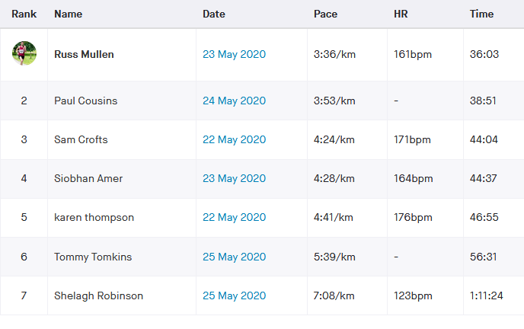
BH 10k | mulr | 0:36:03 | Russell Mullen |  | m | 34 | 8 | 0.99410 | 1603 | 1612.5 | 74.55 | m2 | 1.00 | 1603.00 | 74.11 | m1 | mSen | 1
BH 10k | coup | 0:38:51 | Paul Cousins |  | m | 57 | 8 | 0.83690 | 1603 | 1915.4 | 82.17 | m1 | 1.00 | 1603.00 | 68.77 | m2 | mV50 | 1
BH 10k | ames | 0:44:37 | Siobhan Amer |  | f | 47 | 8 | 0.91620 | 1820 | 1986.5 | 74.20 | f2 | 1.00 | 1820.00 | 67.99 | f1 | fV40 | 1
BH 10k | thok | 0:46:55 | Karen Thompson |  | f | 55 | 8 | 0.83250 | 1820 | 2186.2 | 77.66 | f1 | 1.00 | 1820.00 | 64.65 | f2 | fV50 | 1
BH 10k | tomt | 0:56:31 | Tommy Tomkins |  | m | 52 | 8 | 0.87430 | 1603 | 1833.5 | 54.07 | m3 | 1.00 | 1603.00 | 47.27 | m3 | mV50 | 2
BH 10k | robs | 1:11:24 | Shelagh Robinson |  | f | 49 | 8 | 0.89550 | 1820 | 2032.4 | 47.44 | f3 | 1.00 | 1820.00 | 42.48 | f3 | fV40 | 2
BH 10k |  |  |  |  |  |  |  |  |  |  |  | 1 | 1.00 |  |  | 1 | V70 | 1
BH 10k |  |  |  |  |  |  |  |  |  |  |  | 1 | 1.00 |  |  | 1 | V70 | 1
BH 10k |  |  |  |  |  |  |  |  |  |  |  | 1 | 1.00 |  |  | 1 | V70 | 1
BH 10k |  |  |  |  |  |  |  |  |  |  |  | 1 | 1.00 |  |  | 1 | V70 | 1
BH 10k |  |  |  |  |  |  |  |  |  |  |  | 1 | 1.00 |  |  | 1 | V70 | 1
BH 10k |  |  |  |  |  |  |  |  |  |  |  | 1 | 1.00 |  |  | 1 | V70 | 1
BH 10k |  |  |  |  |  |  |  |  |  |  |  | 1 | 1.00 |  |  | 1 | V70 | 1
BH 10k |  |  |  |  |  |  |  |  |  |  |  | 1 | 1.00 |  |  | 1 | V70 | 1
BH 10k |  |  |  |  |  |  |  |  |  |  |  | 1 | 1.00 |  |  | 1 | V70 | 1
BH 10k |  |  |  |  |  |  |  |  |  |  |  | 1 | 1.00 |  |  | 1 | V70 | 1
BH 10k |  |  |  |  |  |  |  |  |  |  |  | 1 | 1.00 |  |  | 1 | V70 | 1
BH 10k |  |  |  |  |  |  |  |  |  |  |  | 1 | 1.00 |  |  | 1 | V70 | 1
BH 10k |  |  |  |  |  |  |  |  |  |  |  | 1 | 1.00 |  |  | 1 | V70 | 1
BH 10k |  |  |  |  |  |  |  |  |  |  |  | 1 | 1.00 |  |  | 1 | V70 | 1
BH 10k |  |  |  |  |  |  |  |  |  |  |  | 1 | 1.00 |  |  | 1

 |  |  |  |  |  |  |  |  |  |  |  |  |  |  |  |  |  |  |  | gemma Morgan | 0:55:00 | manual
 |  |  | Race Description
 |  |  | Event | Lindfield 10k
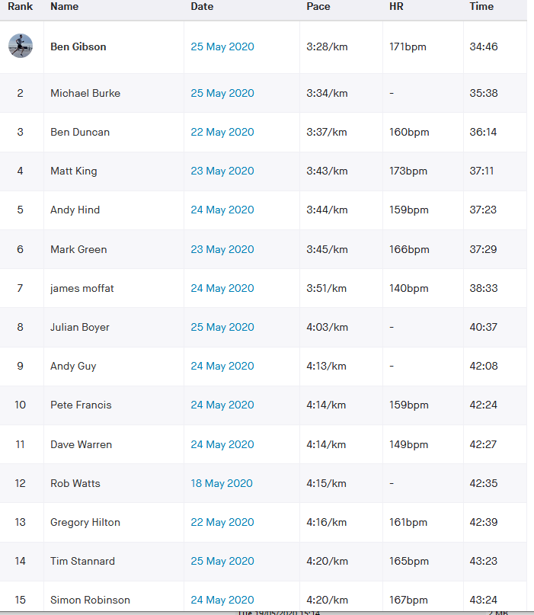
 |  |  | Distance | 10 km
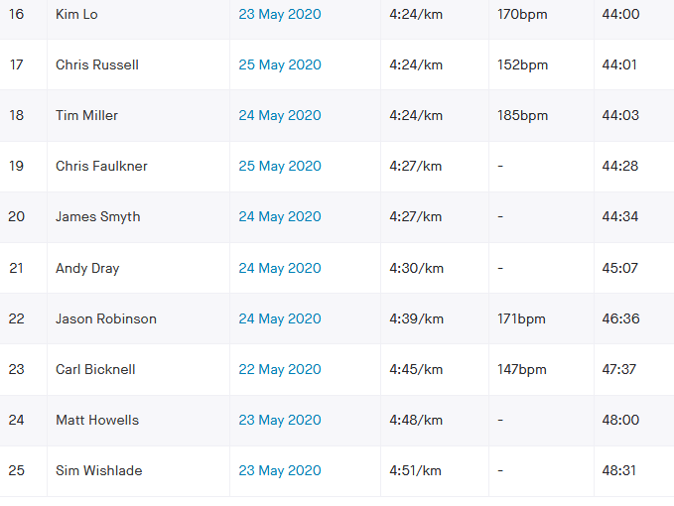
 |  |  | Date | 2020-05-25
 |  |  |  |  |  |  |  | 4 |  | 3
 |  |  |  |  |  |  | Age adjusted |  |  |  |  |  | NO age correction grade
 | Data Entry |  | Brought in from MasterData |  |  |  | Data Used in Calculation of Grade
 | Nick | Strava time | Name | DoB | Sex | Age | col no | Age/Sex | O-Std | Age Time | Grade |  | Age/Sex | O-Std | Grade
 | Name | (h:mm:ss) |  | (dd/mm/yy) | (m/f) |  |  | Factor | (secs) | (secs) | % |  | Factor | (secs) | % |  |  | age cat ranking
Lindfield 10k | gibb | 0:34:46 | Ben Gibson |  | m | 32 | 8 | 0.99840 | 1603 | 1605.6 | 76.97 | m3 | 1.00 | 1603.00 | 76.85 | m1 | mSen | 1
Lindfield 10k | burm | 0:35:38 | Michael Burke |  | m | 43 | 8 | 0.94170 | 1603 | 1702.2 | 79.62 | m1 | 1.00 | 1603.00 | 74.98 | m2 | mV40 | 1
Lindfield 10k | dunb | 0:36:14 | Benjamin Duncan |  | m | 43 | 8 | 0.94170 | 1603 | 1702.2 | 78.30 | m2 | 1.00 | 1603.00 | 73.74 | m3 | mV40 | 2
Lindfield 10k | kinm | 0:37:11 | Matthew King |  | m | 39 | 8 | 0.97080 | 1603 | 1651.2 | 74.01 | m8 | 1.00 | 1603.00 | 71.85 | m4 | mSen | 2
Lindfield 10k | hina | 0:37:23 | Andy Hind |  | m | 44 | 8 | 0.93420 | 1603 | 1715.9 | 76.50 | m4 | 1.00 | 1603.00 | 71.47 | m5 | mV40 | 3
Lindfield 10k | grem | 0:37:29 | Mark Green |  | m | 35 | 8 | 0.99080 | 1603 | 1617.9 | 71.94 | m9 | 1.00 | 1603.00 | 71.28 | m6 | mSen | 3
Lindfield 10k | mofj | 0:38:33 | James Moffat |  | m | 45 | 8 | 0.92670 | 1603 | 1729.8 | 74.79 | m6 | 1.00 | 1603.00 | 69.30 | m7 | mV40 | 4
Lindfield 10k | boyj | 0:40:37 | Julian Boyer |  | m | 52 | 8 | 0.87430 | 1603 | 1833.5 | 75.23 | m5 | 1.00 | 1603.00 | 65.78 | m8 | mV50 | 1
Lindfield 10k | guya | 0:42:08 | Andy Guy |  | m | 43 | 8 | 0.94170 | 1603 | 1702.2 | 67.34 | m15 | 1.00 | 1603.00 | 63.41 | m9 | mV40 | 5
Lindfield 10k | frap | 0:42:24 | Peter Francis |  | m | 40 | 8 | 0.96400 | 1603 | 1662.9 | 65.36 | m19 | 1.00 | 1603.00 | 63.01 | m10 | mV40 | 6
Lindfield 10k | ward | 0:42:27 | Dave Warren |  | m | 48 | 8 | 0.90430 | 1603 | 1772.6 | 69.60 | m11 | 1.00 | 1603.00 | 62.94 | m11 | mV40 | 7
Lindfield 10k | hilg | 0:42:39 | Gregory Hilton |  | m | 39 | 8 | 0.97080 | 1603 | 1651.2 | 64.53 | m20 | 1.00 | 1603.00 | 62.64 | m12 | mSen | 4
Lindfield 10k | stat | 0:43:23 | Tim Stannard |  | m | 43 | 8 | 0.94170 | 1603 | 1702.2 | 65.40 | m18 | 1.00 | 1603.00 | 61.58 | m13 | mV40 | 8
Lindfield 10k | robs1 | 0:43:24 | Simon Robinson |  | m | 49 | 8 | 0.89680 | 1603 | 1787.5 | 68.64 | m12 | 1.00 | 1603.00 | 61.56 | m14 | mV40 | 9
Lindfield 10k | lok | 0:44:00 | Kim Lo |  | f | 40 | 8 | 0.97130 | 1820 | 1873.8 | 70.98 | f2 | 1.00 | 1820.00 | 68.94 | f1 | fV40 | 1
Lindfield 10k | rusc | 0:44:01 | Chris Russell |  | m | 60 | 8 | 0.81450 | 1603 | 1968.1 | 74.52 | m7 | 1.00 | 1603.00 | 60.70 | m15 | mV60 | 1
Lindfield 10k | milt | 0:44:03 | Tim Miller |  | m | 53 | 8 | 0.86690 | 1603 | 1849.1 | 69.96 | m10 | 1.00 | 1603.00 | 60.65 | m16 | mV50 | 2
Lindfield 10k | fauc | 0:44:28 | Chris Faulkner |  | m | 47 | 8 | 0.91170 | 1603 | 1758.3 | 65.90 | m17 | 1.00 | 1603.00 | 60.08 | m17 | mV40 | 10
Lindfield 10k | smyj | 0:44:34 | James Smyth |  | m | 36 | 8 | 0.98690 | 1603 | 1624.3 | 60.74 | m22 | 1.00 | 1603.00 | 59.95 | m18 | mSen | 5
Lindfield 10k | draa | 0:45:07 | Andy Dray |  | m | 49 | 8 | 0.89680 | 1603 | 1787.5 | 66.03 | m16 | 1.00 | 1603.00 | 59.22 | m19 | mV40 | 11
Lindfield 10k | robj | 0:46:36 | Jason Robinson |  | m | 50 | 8 | 0.88930 | 1603 | 1802.5 | 64.47 | m21 | 1.00 | 1603.00 | 57.33 | m20 | mV50 | 3
Lindfield 10k | bicc | 0:47:37 | Carl Bicknell |  | m | 58 | 8 | 0.82950 | 1603 | 1932.5 | 67.64 | m14 | 1.00 | 1603.00 | 56.11 | m21 | mV50 | 4
Lindfield 10k | howm | 0:48:00 | Matt Howells |  | m | 41 | 8 | 0.95660 | 1603 | 1675.7 | 58.18 | m23 | 1.00 | 1603.00 | 55.66 | m22 | mV40 | 12
Lindfield 10k | wiss | 0:48:31 | Simeon Wishlade |  | m | 41 | 8 | 0.95660 | 1603 | 1675.7 | 57.57 | m24 | 1.00 | 1603.00 | 55.07 | m23 | mV40 | 13
Lindfield 10k | blal | 0:48:41 | Lindsey Blain |  | f | 50 | 8 | 0.88500 | 1820 | 2056.5 | 70.40 | f3 | 1.00 | 1820.00 | 62.31 | f2 | fV50 | 1
Lindfield 10k | sykm | 0:48:51 | Mark Sykes |  | m | 61 | 8 | 0.80700 | 1603 | 1986.4 | 67.77 | m13 | 1.00 | 1603.00 | 54.69 | m24 | mV60 | 2
Lindfield 10k | levl | 0:51:24 | Lydia Levy |  | f | 30 | 8 | 1.00000 | 1820 | 1820.0 | 59.01 | f7 | 1.00 | 1820.00 | 59.01 | f3 | fSen | 1
Lindfield 10k | gibh | 0:51:30 | Hannah Gibson |  | f | 33 | 8 | 0.99750 | 1820 | 1824.6 | 59.05 | f6 | 1.00 | 1820.00 | 58.90 | f4 | fSen | 2
Lindfield 10k | kins | 0:52:07 | Sarah King |  | f | 38 | 8 | 0.98170 | 1820 | 1853.9 | 59.29 | f5 | 1.00 | 1820.00 | 58.20 | f5 | fSen | 3
Lindfield 10k | buck | 0:52:45 | Katherine Buckeridge |  | f | 50 | 8 | 0.88500 | 1820 | 2056.5 | 64.98 | f4 | 1.00 | 1820.00 | 57.50 | f6 | fV50 | 2
Lindfield 10k | morg | 0:55:00 | Gemma Morgan |  | f | 40 | 8 | 0.97130 | 1820 | 1873.8 | 56.78 | f8 | 1.00 | 1820.00 | 55.15 | f7 | fV40 | 2
Lindfield 10k | hemm | 0:55:24 | Marion Hemsworth |  | f | 69 | 8 | 0.68550 | 1820 | 2655.0 | 79.87 | f1 | 1.00 | 1820.00 | 54.75 | f8 | fV60 | 1
Lindfield 10k | glac | 0:57:50 | Christopher Glanfield |  | m | 30 | 8 | 1.00000 | 1603 | 1603.0 | 46.20 | m26 | 1.00 | 1603.00 | 46.20 | m25 | mSen | 6
Lindfield 10k | parm | 0:59:25 | Michael Parish |  | m | 58 | 8 | 0.82950 | 1603 | 1932.5 | 54.21 | m25 | 1.00 | 1603.00 | 44.96 | m26 | mV50 | 5
Lindfield 10k | robs | 1:08:22 | Shelagh Robinson |  | f | 49 | 8 | 0.89550 | 1820 | 2032.4 | 49.55 | f9 | 1.00 | 1820.00 | 44.37 | f9 | fV40 | 3
Lindfield 10k | hinc | 1:10:11 | Carys Hind |  | f | 39 | 8 | 0.97680 | 1820 | 1863.2 | 44.25 | f10 | 1.00 | 1820.00 | 43.22 | f10 | fSen | 4
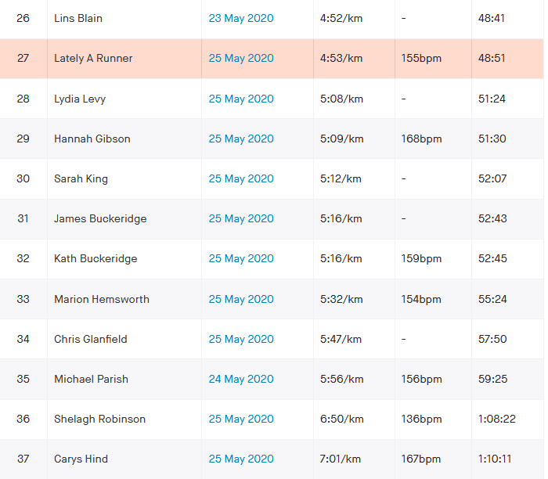

 |  |  | Race Description
 |  |  | Event
 |  |  | Distance
 |  |  | Date
 |  |  |  |  |  |  |  | 4 |  | 3
 |  |  |  |  |  |  | Age adjusted |  |  |  |  |  | NO age correction grade
 | Data Entry |  | Brought in from MasterData |  |  |  | Data Used in Calculation of Grade
 | Nick | Strava time | Name | DoB | Sex | Age | col no | Age/Sex | O-Std | Age Time | Grade |  | Age/Sex | O-Std | Grade
 | Name | (h:mm:ss) |  | (dd/mm/yy) | (m/f) |  |  | Factor | (secs) | (secs) | % |  | Factor | (secs) | % |  |  | age cat ranking
0 |  |  |  |  |  |  |  |  |  |  |  | 1 | 1.00 |  |  | 1 | V70 | 1
0 |  |  |  |  |  |  |  |  |  |  |  | 1 | 1.00 |  |  | 1 | V70 | 1
0 |  |  |  |  |  |  |  |  |  |  |  | 1 | 1.00 |  |  | 1 | V70 | 1
0 |  |  |  |  |  |  |  |  |  |  |  | 1 | 1.00 |  |  | 1 | V70 | 1
0 |  |  |  |  |  |  |  |  |  |  |  | 1 | 1.00 |  |  | 1 | V70 | 1
0 |  |  |  |  |  |  |  |  |  |  |  | 1 | 1.00 |  |  | 1 | V70 | 1
0 |  |  |  |  |  |  |  |  |  |  |  | 1 | 1.00 |  |  | 1 | V70 | 1
0 |  |  |  |  |  |  |  |  |  |  |  | 1 | 1.00 |  |  | 1 | V70 | 1
0 |  |  |  |  |  |  |  |  |  |  |  | 1 | 1.00 |  |  | 1 | V70 | 1
0 |  |  |  |  |  |  |  |  |  |  |  | 1 | 1.00 |  |  | 1 | V70 | 1
0 |  |  |  |  |  |  |  |  |  |  |  | 1 | 1.00 |  |  | 1 | V70 | 1
0 |  |  |  |  |  |  |  |  |  |  |  | 1 | 1.00 |  |  | 1 | V70 | 1
0 |  |  |  |  |  |  |  |  |  |  |  | 1 | 1.00 |  |  | 1 | V70 | 1
0 |  |  |  |  |  |  |  |  |  |  |  | 1 | 1.00 |  |  | 1 | V70 | 1
0 |  |  |  |  |  |  |  |  |  |  |  | 1 | 1.00 |  |  | 1 | V70 | 1
0 |  |  |  |  |  |  |  |  |  |  |  | 1 | 1.00 |  |  | 1 | V70 | 1
0 |  |  |  |  |  |  |  |  |  |  |  | 1 | 1.00 |  |  | 1 | V70 | 1
0 |  |  |  |  |  |  |  |  |  |  |  | 1 | 1.00 |  |  | 1 | V70 | 1
0 |  |  |  |  |  |  |  |  |  |  |  | 1 | 1.00 |  |  | 1 | V70 | 1
0 |  |  |  |  |  |  |  |  |  |  |  | 1 | 1.00 |  |  | 1 | V70 | 1
0 |  |  |  |  |  |  |  |  |  |  |  | 1 | 1.00 |  |  | 1

